517_Charlotte
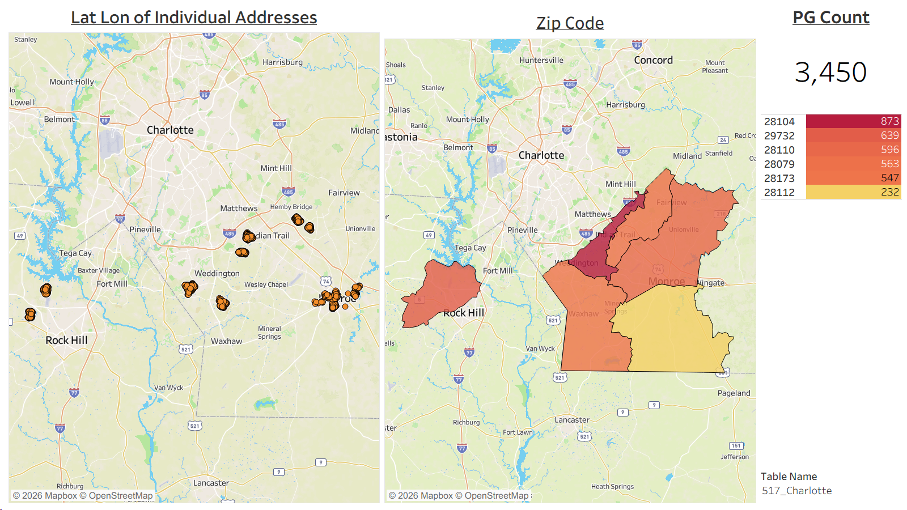
T_ADDRESS | T_UNIQUE ID | T_ADDRESS ID | T_CITY | T_ZIP CODE | MARKET | T_LAT | T_LON | T_STREET | T_DMA | Table Name | T_STATE | T_PSA | T_WIRE CENTER | T_PG VS NG | T_GROUP | T_DATE | T_INCLUDE
1043 FEATHER OAK LN | 00009XHGBA | 2431439722 | MATTHEWS | 28104 | CHARLOTTE | 35.075944 | -80.708971 | FEATHER OAK LN | 517 | 517_Charlotte | NC | 1008PA |  | NEON PG | LED | 2026-08-31 | Yes
201 S JOHNSON ST | 00009YF1VQ | 2431595292 | MONROE | 28112 | CHARLOTTE | 34.97979 | -80.557749 | S JOHNSON ST | 517 | 517_Charlotte | NC | 5040PA |  | NEON PG | LED | 2026-08-31 | Yes
4644 BREWINGTON PKWY | 00001P2HDG | 1831205396 | ROCK HILL | 29732 | CHARLOTTE | 34.964273 | -81.087636 | BREWINGTON PKWY | 517 | 517_Charlotte | NC | 4012PA |  | NEON PG | LED | 2026-08-31 | Yes
503 S WASHINGTON ST | 00001XM3CV | 2311109166 | MONROE | 28112 | CHARLOTTE | 34.978208 | -80.552674 | S WASHINGTON ST | 517 | 517_Charlotte | NC | 5040PA |  | NEON PG | LED | 2026-08-31 | Yes
4707 HANNAH DR | 0000RL2PME | 2558874494 | ROCK HILL | 29732 | CHARLOTTE | 34.970535 | -81.089047 | HANNAH DR | 517 | 517_Charlotte | NC | 4012PA |  | NEON PG | LED | 2026-08-31 | Yes
604 APPOMATOX DR | 0000A6DU2A | 2446370490 | WAXHAW | 28173 | CHARLOTTE | 35.005622 | -80.80251 | APPOMATOX DR | 517 | 517_Charlotte | NC | 2109PA |  | NEON PG | LED | 2026-08-31 | Yes
1126 HAMMOND DR | 00009XN0II | 2430801590 | MATTHEWS | 28104 | CHARLOTTE | 35.079812 | -80.704276 | HAMMOND DR | 517 | 517_Charlotte | NC | 1008PA |  | NEON PG | LED | 2026-08-31 | Yes
1319 SARANDON DR | 000022KKTK | 2327668292 | MATTHEWS | 28104 | CHARLOTTE | 35.07663 | -80.710385 | SARANDON DR | 517 | 517_Charlotte | NC | 1008PA |  | NEON PG | LED | 2026-08-31 | Yes
6000 HEMBY COMMONS PKWY | 00009WCN0A | 2433476028 | INDIAN TRAIL | 28079 | CHARLOTTE | 35.10574 | -80.623126 | HEMBY COMMONS PKWY | 517 | 517_Charlotte | NC | 1031PA |  | NEON PG | LED | 2026-08-31 | Yes
4000 HILLWOOD CT | 00009XFTKA | 2433633484 | MATTHEWS | 28104 | CHARLOTTE | 35.077349 | -80.700052 | HILLWOOD CT | 517 | 517_Charlotte | NC | 1008PA |  | NEON PG | LED | 2026-08-31 | Yes
5021 GROVES EDGE LN | 000022VPYZ | 2328713916 | WAXHAW | 28173 | CHARLOTTE | 35.006605 | -80.81203 | GROVES EDGE LN | 517 | 517_Charlotte | NC | 2109PA |  | NEON PG | LED | 2026-08-31 | Yes
1308 MILLBANK DR | 00009XLBEI | 2444489034 | MATTHEWS | 28104 | CHARLOTTE | 35.077752 | -80.708383 | MILLBANK DR | 517 | 517_Charlotte | NC | 1008PA |  | NEON PG | LED | 2026-08-31 | Yes
4009 STANBURY DR | 00001Z2MEI | 2316160716 | MATTHEWS | 28104 | CHARLOTTE | 35.055499 | -80.715442 | STANBURY DR | 517 | 517_Charlotte | NC | 1002PA |  | NEON PG | LED | 2026-08-31 | Yes
1113 LYTTON LN | 000021P2W9 | 2324891106 | MATTHEWS | 28104 | CHARLOTTE | 35.054607 | -80.712696 | LYTTON LN | 517 | 517_Charlotte | NC | 1002PA |  | NEON PG | LED | 2026-08-31 | Yes
700 W TALLEYRAND AVE | 00009YDKKU | 2431593572 | MONROE | 28112 | CHARLOTTE | 34.980172 | -80.556166 | W TALLEYRAND AVE | 517 | 517_Charlotte | NC | 5040PA |  | NEON PG | LED | 2026-08-31 | Yes
4664 CHANNING PARK WAY | 00001P22YW | 1833169492 | ROCK HILL | 29732 | CHARLOTTE | 35.003799 | -81.065597 | CHANNING PARK WAY | 517 | 517_Charlotte | NC | 4021PA |  | NEON PG | LED | 2026-08-31 | Yes
4551 LANDMARK DR | 0000RM5M6Y | 2516790518 | ROCK HILL | 29732 | CHARLOTTE | 35.002139 | -81.062656 | LANDMARK DR | 517 | 517_Charlotte | NC | 4021PA |  | NEON PG | LED | 2026-08-31 | Yes
305 PAINTED TURTLE CT | 00001XW7W8 | 2312210812 | WAXHAW | 28173 | CHARLOTTE | 35.002778 | -80.812544 | PAINTED TURTLE CT | 517 | 517_Charlotte | NC | 2109PA |  | NEON PG | LED | 2026-08-31 | Yes
7017 SEDGEWICK RD | 000021Z8OT | 2325767806 | INDIAN TRAIL | 28079 | CHARLOTTE | 35.095029 | -80.598341 | SEDGEWICK RD | 517 | 517_Charlotte | NC | 5008PA |  | NEON PG | LED | 2026-08-31 | Yes
907 ENGLESIDE ST | 00009YAKC6 | 2444646178 | MONROE | 28110 | CHARLOTTE | 34.991085 | -80.562024 | ENGLESIDE ST | 517 | 517_Charlotte | NC | 5039PA |  | NEON PG | LED | 2026-08-31 | Yes
5017 AUTUMN BLOSSOM LN | 00001ORMMR | 1807917194 | WAXHAW | 28173 | CHARLOTTE | 35.004139 | -80.807396 | AUTUMN BLOSSOM LN | 517 | 517_Charlotte | NC | 2109PA |  | NEON PG | LED | 2026-08-31 | Yes
3021 GROVES EDGE LN | 0000A6K6YA | 2432849664 | WAXHAW | 28173 | CHARLOTTE | 35.001822 | -80.812189 | GROVES EDGE LN | 517 | 517_Charlotte | NC | 2109PA |  | NEON PG | LED | 2026-08-31 | Yes
1168 DRUMMOND LN | 00001OS9KF | 1807938056 | MATTHEWS | 28104 | CHARLOTTE | 35.079752 | -80.705587 | DRUMMOND LN | 517 | 517_Charlotte | NC | 1008PA |  | NEON PG | LED | 2026-08-31 | Yes
4628 CHANNING PARK WAY | 00001PMG5F | 1834985640 | ROCK HILL | 29732 | CHARLOTTE | 35.005021 | -81.062975 | CHANNING PARK WAY | 517 | 517_Charlotte | NC | 4021PA |  | NEON PG | LED | 2026-08-31 | Yes
2000 WOODSHORN DR | 00009XEJLU | 2431462712 | MATTHEWS | 28104 | CHARLOTTE | 35.076005 | -80.705427 | WOODSHORN DR | 517 | 517_Charlotte | NC | 1008PA |  | NEON PG | LED | 2026-08-31 | Yes
1004 GILMAN PL | 00001W61RS | 2306025366 | MONROE | 28110 | CHARLOTTE | 34.991129 | -80.565019 | GILMAN PL | 517 | 517_Charlotte | NC | 5039PA |  | NEON PG | LED | 2026-08-31 | Yes
605 WHITE TAIL TER | 000022VIP4 | 2328769154 | WAXHAW | 28173 | CHARLOTTE | 35.009224 | -80.814121 | WHITE TAIL TER | 517 | 517_Charlotte | NC | 2109PA |  | NEON PG | LED | 2026-08-31 | Yes
1193 STONEDOWN LN | 00001V1BP9 | 2302486530 | MATTHEWS | 28104 | CHARLOTTE | 35.080773 | -80.708038 | STONEDOWN LN | 517 | 517_Charlotte | NC | 1008PA |  | NEON PG | LED | 2026-08-31 | Yes
634 DARRINGTON CT | 0000RL4E7I | 2558880894 | ROCK HILL | 29732 | CHARLOTTE | 34.963179 | -81.086258 | DARRINGTON CT | 517 | 517_Charlotte | NC | 4012PA |  | NEON PG | LED | 2026-08-31 | Yes
1013 POTOMAC RD | 00009UK8PE | 2443850714 | INDIAN TRAIL | 28079 | CHARLOTTE | 35.093112 | -80.598132 | POTOMAC RD | 517 | 517_Charlotte | NC | 5008PA |  | NEON PG | LED | 2026-08-31 | Yes
1122 LYTTON LN | 00009XME3A | 2430719064 | MATTHEWS | 28104 | CHARLOTTE | 35.05371 | -80.711442 | LYTTON LN | 517 | 517_Charlotte | NC | 1002PA |  | NEON PG | LED | 2026-08-31 | Yes
5004 ENDERBURY DR | 00001RRES0 | 2294169632 | INDIAN TRAIL | 28079 | CHARLOTTE | 35.100505 | -80.6137 | ENDERBURY DR | 517 | 517_Charlotte | NC | 1031PA |  | NEON PG | LED | 2026-08-31 | Yes
1004 GROVES EDGE LN | 000023ZZDF | 2332141254 | WAXHAW | 28173 | CHARLOTTE | 34.997273 | -80.809554 | GROVES EDGE LN | 517 | 517_Charlotte | NC | 2109PA |  | NEON PG | LED | 2026-08-31 | Yes
7618 BERRYFIELD CT | 0000A60ILQ | 2432765102 | WAXHAW | 28173 | CHARLOTTE | 34.984278 | -80.752333 | BERRYFIELD CT | 517 | 517_Charlotte | NC | 2010PA |  | NEON PG | LED | 2026-08-31 | Yes
1804 ICEMORLEE ST | 00001Y6LBN | 2313030872 | MONROE | 28110 | CHARLOTTE | 34.994212 | -80.566397 | ICEMORLEE ST | 517 | 517_Charlotte | NC | 5039PA |  | NEON PG | LED | 2026-08-31 | Yes
7307 YELLOWHORN TRL | 00001TMGDW | 2297760000 | WAXHAW | 28173 | CHARLOTTE | 34.977687 | -80.751072 | YELLOWHORN TRL | 517 | 517_Charlotte | NC | 2010PA |  | NEON PG | LED | 2026-08-31 | Yes
4655 LAURENDALE CT | 00001P2HCO | 1831481334 | ROCK HILL | 29732 | CHARLOTTE | 34.965943 | -81.087116 | LAURENDALE CT | 517 | 517_Charlotte | NC | 4012PA |  | NEON PG | LED | 2026-08-31 | Yes
805 CREEKRIDGE DR | 00001TWPTQ | 2298818446 | MONROE | 28110 | CHARLOTTE | 34.99377 | -80.518812 | CREEKRIDGE DR | 517 | 517_Charlotte | NC | 5032PA |  | NEON PG | LED | 2026-08-31 | Yes
4003 SEDGEWICK RD | 00009VG67M | 2443403818 | INDIAN TRAIL | 28079 | CHARLOTTE | 35.092049 | -80.601578 | SEDGEWICK RD | 517 | 517_Charlotte | NC | 5008PA |  | NEON PG | LED | 2026-08-31 | Yes
908 CREEKRIDGE DR | 00001VVXHS | 2305461838 | MONROE | 28110 | CHARLOTTE | 34.99585 | -80.519943 | CREEKRIDGE DR | 517 | 517_Charlotte | NC | 5032PA |  | NEON PG | LED | 2026-08-31 | Yes
1100 SARANDON DR | 00009XKN8I | 2431449924 | MATTHEWS | 28104 | CHARLOTTE | 35.080373 | -80.707395 | SARANDON DR | 517 | 517_Charlotte | NC | 1008PA |  | NEON PG | LED | 2026-08-31 | Yes
817 WHEAT FIELD DR | 00001QHZF8 | 2292800366 | WAXHAW | 28173 | CHARLOTTE | 35.007931 | -80.815177 | WHEAT FIELD DR | 517 | 517_Charlotte | NC | 2109PA |  | NEON PG | LED | 2026-08-31 | Yes
300 PAINTED TURTLE CT | 0000208SWG | 2320066826 | WAXHAW | 28173 | CHARLOTTE | 35.003361 | -80.812104 | PAINTED TURTLE CT | 517 | 517_Charlotte | NC | 2109PA |  | NEON PG | LED | 2026-08-31 | Yes
4532 DUBLIN CT | 00001PM6O4 | 1834470664 | ROCK HILL | 29732 | CHARLOTTE | 35.001716 | -81.061545 | DUBLIN CT | 517 | 517_Charlotte | NC | 4021PA |  | NEON PG | LED | 2026-08-31 | Yes
1034 FLEMING LN | 00001XW5I9 | 2312066312 | MATTHEWS | 28104 | CHARLOTTE | 35.075252 | -80.706052 | FLEMING LN | 517 | 517_Charlotte | NC | 1008PA |  | NEON PG | LED | 2026-08-31 | Yes
879 KEMPER CIR | 00001XBMNH | 2310035318 | ROCK HILL | 29732 | CHARLOTTE | 34.99854 | -81.058872 | KEMPER CIR | 517 | 517_Charlotte | NC | 4021PA |  | NEON PG | LED | 2026-08-31 | Yes
517 APPOMATOX DR | 0000A6EPFQ | 2445548298 | WAXHAW | 28173 | CHARLOTTE | 35.006922 | -80.803978 | APPOMATOX DR | 517 | 517_Charlotte | NC | 2109PA |  | NEON PG | LED | 2026-08-31 | Yes
774 APPOMATOX DR | 0000A61TFA | 2432048394 | WAXHAW | 28173 | CHARLOTTE | 35.007143 | -80.80004 | APPOMATOX DR | 517 | 517_Charlotte | NC | 2109PA |  | NEON PG | LED | 2026-08-31 | Yes
813 S JOHNSON ST | 00009YDRDA | 2430428998 | MONROE | 28112 | CHARLOTTE | 34.975701 | -80.55709 | S JOHNSON ST | 517 | 517_Charlotte | NC | 5040PA |  | NEON PG | LED | 2026-08-31 | Yes
209 RED TWIG CT | 00001ZOF0Q | 2317988352 | WAXHAW | 28173 | CHARLOTTE | 35.001216 | -80.810112 | RED TWIG CT | 517 | 517_Charlotte | NC | 2109PA |  | NEON PG | LED | 2026-08-31 | Yes
517 WHITE TAIL TER | 0000A6AGPY | 2432083728 | WAXHAW | 28173 | CHARLOTTE | 35.009066 | -80.815665 | WHITE TAIL TER | 517 | 517_Charlotte | NC | 2109PA |  | NEON PG | LED | 2026-08-31 | Yes
601 RUNNING HORSE LN | 00001ORMMP | 1808034584 | WAXHAW | 28173 | CHARLOTTE | 35.00631 | -80.815769 | RUNNING HORSE LN | 517 | 517_Charlotte | NC | 2109PA |  | NEON PG | LED | 2026-08-31 | Yes
4612 MABRY PKWY | 0000RL3XKM | 2516685782 | ROCK HILL | 29732 | CHARLOTTE | 34.962697 | -81.086258 | MABRY PKWY | 517 | 517_Charlotte | NC | 4012PA |  | NEON PG | LED | 2026-08-31 | Yes
4635 CHANNING PARK WAY | 0000RM7OBA | 2536646918 | ROCK HILL | 29732 | CHARLOTTE | 35.004633 | -81.063407 | CHANNING PARK WAY | 517 | 517_Charlotte | NC | 4021PA |  | NEON PG | LED | 2026-08-31 | Yes
2104 WEDDINGTON RD | 00009YFUIA | 2443981686 | MONROE | 28110 | CHARLOTTE | 34.984216 | -80.575429 | WEDDINGTON RD | 517 | 517_Charlotte | NC | 5039PA |  | NEON PG | LED | 2026-08-31 | Yes
309 ARMISTEAD CT | 0000A6BL0I | 2432087442 | WAXHAW | 28173 | CHARLOTTE | 35.008999 | -80.801779 | ARMISTEAD CT | 517 | 517_Charlotte | NC | 2109PA |  | NEON PG | LED | 2026-08-31 | Yes
915 CREEKRIDGE DR | 00001TMMJ7 | 2297721402 | MONROE | 28110 | CHARLOTTE | 34.995788 | -80.520933 | CREEKRIDGE DR | 517 | 517_Charlotte | NC | 5032PA |  | NEON PG | LED | 2026-08-31 | Yes
1118 CROOKED RIVER DR | 00001UGLP3 | 2300594844 | WAXHAW | 28173 | CHARLOTTE | 34.982163 | -80.75278 | CROOKED RIVER DR | 517 | 517_Charlotte | NC | 2010PA |  | NEON PG | LED | 2026-08-31 | Yes
407 KING ST | 00009XZ65I | 2430382096 | MONROE | 28110 | CHARLOTTE | 34.995788 | -80.553708 | KING ST | 517 | 517_Charlotte | NC | 5036PA |  | NEON PG | LED | 2026-08-31 | Yes
547 ANNALINDE LN | 0000RKZ02M | 2536500708 | ROCK HILL | 29732 | CHARLOTTE | 34.966446 | -81.089773 | ANNALINDE LN | 517 | 517_Charlotte | NC | 4012PA |  | NEON PG | LED | 2026-08-31 | Yes
808 WHEAT FIELD DR | 00001Y6OMX | 2313196886 | WAXHAW | 28173 | CHARLOTTE | 35.007052 | -80.814528 | WHEAT FIELD DR | 517 | 517_Charlotte | NC | 2109PA |  | NEON PG | LED | 2026-08-31 | Yes
3814 PRIVETTE RD | 00001XW47T | 2311948542 | MATTHEWS | 28104 | CHARLOTTE | 35.076013 | -80.702314 | PRIVETTE RD | 517 | 517_Charlotte | NC | 1008PA |  | NEON PG | LED | 2026-08-31 | Yes
1408 CHERRY ST | 00001QHV33 | 2213084844 | MONROE | 28110 | CHARLOTTE | 34.996863 | -80.552634 | CHERRY ST | 517 | 517_Charlotte | NC | 5036PA |  | NEON PG | LED | 2026-08-31 | Yes
4041 CAMROSE CROSSING LN | 00009XJZJQ | 2430324340 | MATTHEWS | 28104 | CHARLOTTE | 35.054618 | -80.715042 | CAMROSE CROSSING LN | 517 | 517_Charlotte | NC | 1002PA |  | NEON PG | LED | 2026-08-31 | Yes
1112 CROOKED RIVER DR | 00001Z2F12 | 2316112414 | WAXHAW | 28173 | CHARLOTTE | 34.982198 | -80.752114 | CROOKED RIVER DR | 517 | 517_Charlotte | NC | 2010PA |  | NEON PG | LED | 2026-08-31 | Yes
3010 ENDERBURY DR | 00001QHYPJ | 2292799996 | INDIAN TRAIL | 28079 | CHARLOTTE | 35.0994 | -80.616391 | ENDERBURY DR | 517 | 517_Charlotte | NC | 1031PA |  | NEON PG | LED | 2026-08-31 | Yes
579 ANNALINDE LN | 00001P2KAD | 2291662930 | ROCK HILL | 29732 | CHARLOTTE | 34.967697 | -81.0904 | ANNALINDE LN | 517 | 517_Charlotte | NC | 4012PA |  | NEON PG | LED | 2026-08-31 | Yes
4772 CASCADE AVE | 0000RMDHBQ | 2558625682 | ROCK HILL | 29732 | CHARLOTTE | 34.971548 | -81.091385 | CASCADE AVE | 517 | 517_Charlotte | NC | 4012PA |  | NEON PG | LED | 2026-08-31 | Yes
1809 GOLDMINE RD | 00009YK5BM | 2444707206 | MONROE | 28110 | CHARLOTTE | 34.99665 | -80.570663 | GOLDMINE RD | 517 | 517_Charlotte | NC | 5039PA |  | NEON PG | LED | 2026-08-31 | Yes
400 MARVIN BRANCH CT | 0000A6EV6E | 2432825594 | WAXHAW | 28173 | CHARLOTTE | 35.009686 | -80.804952 | MARVIN BRANCH CT | 517 | 517_Charlotte | NC | 2109PA |  | NEON PG | LED | 2026-08-31 | Yes
4604 AMBERSIDE DR | 0000RMI74I | 2557390886 | ROCK HILL | 29732 | CHARLOTTE | 35.004178 | -81.060559 | AMBERSIDE DR | 517 | 517_Charlotte | NC | 4021PA |  | NEON PG | LED | 2026-08-31 | Yes
1364 MILLBANK DR | 000021EGGE | 2323446072 | MATTHEWS | 28104 | CHARLOTTE | 35.076752 | -80.70879 | MILLBANK DR | 517 | 517_Charlotte | NC | 1008PA |  | NEON PG | LED | 2026-08-31 | Yes
1024 FORBISHIRE DR | 00009XINOY | 2430782432 | MATTHEWS | 28104 | CHARLOTTE | 35.057174 | -80.72012 | FORBISHIRE DR | 517 | 517_Charlotte | NC | 1002PA |  | NEON PG | LED | 2026-08-31 | Yes
7200 YELLOWHORN TRL | 00001X10JJ | 2309132198 | WAXHAW | 28173 | CHARLOTTE | 34.978716 | -80.749335 | YELLOWHORN TRL | 517 | 517_Charlotte | NC | 2010PA |  | NEON PG | LED | 2026-08-31 | Yes
1020 ELSMORE DR | 00009XINXA | 2430320136 | MATTHEWS | 28104 | CHARLOTTE | 35.056304 | -80.719912 | ELSMORE DR | 517 | 517_Charlotte | NC | 1002PA |  | NEON PG | LED | 2026-08-31 | Yes
5027 POTTER RD | 00009YHB7I | 2430906486 | MATTHEWS | 28104 | CHARLOTTE | 35.076494 | -80.697205 | POTTER RD | 517 | 517_Charlotte | NC | 1008PA |  | NEON PG | LED | 2026-08-31 | Yes
1201 HAMMOND DR | 00001OSB1U | 1807962158 | MATTHEWS | 28104 | CHARLOTTE | 35.078598 | -80.704516 | HAMMOND DR | 517 | 517_Charlotte | NC | 1008PA |  | NEON PG | LED | 2026-08-31 | Yes
208 RED TWIG CT | 00001Y6KFG | 2313128902 | WAXHAW | 28173 | CHARLOTTE | 35.000475 | -80.809722 | RED TWIG CT | 517 | 517_Charlotte | NC | 2109PA |  | NEON PG | LED | 2026-08-31 | Yes
2008 CAMROSE CROSSING LN | 0000208UD3 | 2319578910 | MATTHEWS | 28104 | CHARLOTTE | 35.055728 | -80.722538 | CAMROSE CROSSING LN | 517 | 517_Charlotte | NC | 1002PA |  | NEON PG | LED | 2026-08-31 | Yes
1039 ENDERBURY DR | 00009UMJ7Y | 2433231646 | INDIAN TRAIL | 28079 | CHARLOTTE | 35.100457 | -80.620902 | ENDERBURY DR | 517 | 517_Charlotte | NC | 1031PA |  | NEON PG | LED | 2026-08-31 | Yes
104 S BRANCH ST | 00009Y5BSE | 2431572184 | MONROE | 28112 | CHARLOTTE | 34.980642 | -80.557249 | S BRANCH ST | 517 | 517_Charlotte | NC | 5040PA |  | NEON PG | LED | 2026-08-31 | Yes
2107 SHERWOOD FOREST LN | 000020JK99 | 2321060714 | MONROE | 28110 | CHARLOTTE | 34.98478 | -80.575987 | SHERWOOD FOREST LN | 517 | 517_Charlotte | NC | 5039PA |  | NEON PG | LED | 2026-08-31 | Yes
4635 CASCADE AVE | 0000RMBKMY | 2559009902 | ROCK HILL | 29732 | CHARLOTTE | 34.970329 | -81.085955 | CASCADE AVE | 517 | 517_Charlotte | NC | 4012PA |  | NEON PG | LED | 2026-08-31 | Yes
1003 GILMAN PL | 00001YS6JM | 2314800626 | MONROE | 28110 | CHARLOTTE | 34.991253 | -80.564592 | GILMAN PL | 517 | 517_Charlotte | NC | 5039PA |  | NEON PG | LED | 2026-08-31 | Yes
405 S WASHINGTON ST | 00009YSNXY | 2430869102 | MONROE | 28112 | CHARLOTTE | 34.978609 | -80.552613 | S WASHINGTON ST | 517 | 517_Charlotte | NC | 5040PA |  | NEON PG | LED | 2026-08-31 | Yes
7002 HEMBY COMMONS PKWY | 00009VATDY | 2443979876 | INDIAN TRAIL | 28079 | CHARLOTTE | 35.105323 | -80.624582 | HEMBY COMMONS PKWY | 517 | 517_Charlotte | NC | 1031PA |  | NEON PG | LED | 2026-08-31 | Yes
1201 ICEMORLEE ST | 00009YP3Y6 | 2431630072 | MONROE | 28110 | CHARLOTTE | 34.989766 | -80.560427 | ICEMORLEE ST | 517 | 517_Charlotte | NC | 5039PA |  | NEON PG | LED | 2026-08-31 | Yes
804 CROOKED RIVER DR | 0000D70HZY | 2446534530 | WAXHAW | 28173 | CHARLOTTE | 34.985172 | -80.749247 | CROOKED RIVER DR | 517 | 517_Charlotte | NC | 2010PA |  | NEON PG | LED | 2026-08-31 | Yes
521 WYNDHAM LN | 0000A60S1Q | 2432765210 | WAXHAW | 28173 | CHARLOTTE | 35.007622 | -80.802952 | WYNDHAM LN | 517 | 517_Charlotte | NC | 2109PA |  | NEON PG | LED | 2026-08-31 | Yes
1111 DRUMMOND LN | 00009XNEDE | 2431502616 | MATTHEWS | 28104 | CHARLOTTE | 35.080425 | -80.704622 | DRUMMOND LN | 517 | 517_Charlotte | NC | 1008PA |  | NEON PG | LED | 2026-08-31 | Yes
4695 HANNAH DR | 0000RL2RAY | 2517565290 | ROCK HILL | 29732 | CHARLOTTE | 34.970254 | -81.088591 | HANNAH DR | 517 | 517_Charlotte | NC | 4012PA |  | NEON PG | LED | 2026-08-31 | Yes
906 SIOUX ST | 00009YCBEQ | 2431583392 | MONROE | 28110 | CHARLOTTE | 34.991809 | -80.563515 | SIOUX ST | 517 | 517_Charlotte | NC | 5039PA |  | NEON PG | LED | 2026-08-31 | Yes
7713 YELLOWHORN TRL | 0000D6PN8Q | 2466589820 | WAXHAW | 28173 | CHARLOTTE | 34.978082 | -80.753333 | YELLOWHORN TRL | 517 | 517_Charlotte | NC | 2010PA |  | NEON PG | LED | 2026-08-31 | Yes
1012 ENDERBURY DR | 00009W4TIY | 2430143248 | INDIAN TRAIL | 28079 | CHARLOTTE | 35.103084 | -80.620432 | ENDERBURY DR | 517 | 517_Charlotte | NC | 1031PA |  | NEON PG | LED | 2026-08-31 | Yes
2007 BIKAR CT | 00009W92UY | 2444183580 | INDIAN TRAIL | 28079 | CHARLOTTE | 35.104708 | -80.618442 | BIKAR CT | 517 | 517_Charlotte | NC | 1031PA |  | NEON PG | LED | 2026-08-31 | Yes
1203 CRANBERRY ST | 00001Q6N86 | 2292638176 | MONROE | 28110 | CHARLOTTE | 34.993253 | -80.552166 | CRANBERRY ST | 517 | 517_Charlotte | NC | 5036PA |  | NEON PG | LED | 2026-08-31 | Yes
1009 LOUDOUN RD | 00009V96F6 | 2444013146 | INDIAN TRAIL | 28079 | CHARLOTTE | 35.092931 | -80.599324 | LOUDOUN RD | 517 | 517_Charlotte | NC | 5008PA |  | NEON PG | LED | 2026-08-31 | Yes
4697 JANAY CT | 0000RLGUP2 | 2557271660 | ROCK HILL | 29732 | CHARLOTTE | 34.967829 | -81.089896 | JANAY CT | 517 | 517_Charlotte | NC | 4012PA |  | NEON PG | LED | 2026-08-31 | Yes
6005 HEMBY COMMONS PKWY | 00009UN8P6 | 2433238390 | INDIAN TRAIL | 28079 | CHARLOTTE | 35.10521 | -80.623294 | HEMBY COMMONS PKWY | 517 | 517_Charlotte | NC | 1031PA |  | NEON PG | LED | 2026-08-31 | Yes
930 SCOTCH MEADOWS LOOP | 00011FAQR6 | 7314422230 | MONROE | 28110 | CHARLOTTE | 34.996011 | -80.515412 | SCOTCH MEADOWS LOOP | 517 | 517_Charlotte | NC | 5032PA |  | NEON PG | LED | 2026-08-31 | Yes
306 S JOHNSON ST | 00001OS8OJ | 1808068374 | MONROE | 28112 | CHARLOTTE | 34.978925 | -80.55815 | S JOHNSON ST | 517 | 517_Charlotte | NC | 5040PA |  | NEON PG | LED | 2026-08-31 | Yes
574 SCOTCH MEADOWS LOOP |  |  | MONROE | 28110 | CHARLOTTE | 34.999268 | -80.519008 | SCOTCH MEADOWS LOOP | 517 | 517_Charlotte | NC | 5032PA |  | NEON PG | LED | 2026-08-31 | Yes
1171 DRUMMOND LN | 00009XIENE | 2430319834 | MATTHEWS | 28104 | CHARLOTTE | 35.079552 | -80.705108 | DRUMMOND LN | 517 | 517_Charlotte | NC | 1008PA |  | NEON PG | LED | 2026-08-31 | Yes
516 APPOMATOX DR | 0000A602JY | 2446298900 | WAXHAW | 28173 | CHARLOTTE | 35.006564 | -80.804619 | APPOMATOX DR | 517 | 517_Charlotte | NC | 2109PA |  | NEON PG | LED | 2026-08-31 | Yes
7613 BERRYFIELD CT | 0000A626MA | 2431493432 | WAXHAW | 28173 | CHARLOTTE | 34.983236 | -80.752508 | BERRYFIELD CT | 517 | 517_Charlotte | NC | 2010PA |  | NEON PG | LED | 2026-08-31 | Yes
1085 STONEDOWN LN | 00009XIRD6 | 2430708260 | MATTHEWS | 28104 | CHARLOTTE | 35.080995 | -80.709108 | STONEDOWN LN | 517 | 517_Charlotte | NC | 1008PA |  | NEON PG | LED | 2026-08-31 | Yes
1203 ICEMAN ST | 00009YB7Y6 | 2431577880 | MONROE | 28110 | CHARLOTTE | 34.991118 | -80.56008 | ICEMAN ST | 517 | 517_Charlotte | NC | 5039PA |  | NEON PG | LED | 2026-08-31 | Yes
639 MONTGOMERY DR | 0000RL2P9M | 2536510830 | ROCK HILL | 29732 | CHARLOTTE | 34.963922 | -81.090385 | MONTGOMERY DR | 517 | 517_Charlotte | NC | 4012PA |  | NEON PG | LED | 2026-08-31 | Yes
841 CREEK BLUFF RD | 00001PBTM6 | 1833722654 | ROCK HILL | 29732 | CHARLOTTE | 35.006439 | -81.058128 | CREEK BLUFF RD | 517 | 517_Charlotte | NC | 4021PA |  | NEON PG | LED | 2026-08-31 | Yes
923 CREEKRIDGE DR | 00001YHI23 | 2313737934 | MONROE | 28110 | CHARLOTTE | 34.996243 | -80.521802 | CREEKRIDGE DR | 517 | 517_Charlotte | NC | 5032PA |  | NEON PG | LED | 2026-08-31 | Yes
917 CREEKRIDGE DR | 00001WQNEI | 2308200350 | MONROE | 28110 | CHARLOTTE | 34.995874 | -80.521166 | CREEKRIDGE DR | 517 | 517_Charlotte | NC | 5032PA |  | NEON PG | LED | 2026-08-31 | Yes
524 WYNDHAM LN | 0000A6EV0A | 2445548964 | WAXHAW | 28173 | CHARLOTTE | 35.008619 | -80.802606 | WYNDHAM LN | 517 | 517_Charlotte | NC | 2109PA |  | NEON PG | LED | 2026-08-31 | Yes
1010 PONAPE CT | 00001WQAYW | 2308083612 | INDIAN TRAIL | 28079 | CHARLOTTE | 35.102133 | -80.61435 | PONAPE CT | 517 | 517_Charlotte | NC | 1031PA |  | NEON PG | LED | 2026-08-31 | Yes
3024 GROVES EDGE LN | 000023ZLVM | 2331982082 | WAXHAW | 28173 | CHARLOTTE | 35.002139 | -80.811495 | GROVES EDGE LN | 517 | 517_Charlotte | NC | 2109PA |  | NEON PG | LED | 2026-08-31 | Yes
687 MONTGOMERY DR | 0000RLA3X2 | 2558483526 | ROCK HILL | 29732 | CHARLOTTE | 34.963224 | -81.091945 | MONTGOMERY DR | 517 | 517_Charlotte | NC | 4012PA |  | NEON PG | LED | 2026-08-31 | Yes
1006 S BANK DR | 00001PMB8F | 1834232810 | ROCK HILL | 29732 | CHARLOTTE | 35.004518 | -81.061941 | S BANK DR | 517 | 517_Charlotte | NC | 4021PA |  | NEON PG | LED | 2026-08-31 | Yes
977 SCOTCH MEADOWS LOOP |  |  | MONROE | 28110 | CHARLOTTE | 34.996726 | -80.516674 | SCOTCH MEADOWS LOOP | 517 | 517_Charlotte | NC | 5032PA |  | NEON PG | LED | 2026-08-31 | Yes
1030 FORBISHIRE DR | 00009XL0EE | 2443842952 | MATTHEWS | 28104 | CHARLOTTE | 35.05748 | -80.719533 | FORBISHIRE DR | 517 | 517_Charlotte | NC | 1002PA |  | NEON PG | LED | 2026-08-31 | Yes
2003 EMERSON LN | 00001Q4XXB | 2292608774 | INDIAN TRAIL | 28079 | CHARLOTTE | 35.091596 | -80.599459 | EMERSON LN | 517 | 517_Charlotte | NC | 5008PA |  | NEON PG | LED | 2026-08-31 | Yes
605 CREEKRIDGE DR | 00001Y6HX7 | 2312901244 | MONROE | 28110 | CHARLOTTE | 34.995799 | -80.517965 | CREEKRIDGE DR | 517 | 517_Charlotte | NC | 5032PA |  | NEON PG | LED | 2026-08-31 | Yes
1100 MILLBANK DR | 00001X15HQ | 2309256448 | MATTHEWS | 28104 | CHARLOTTE | 35.079317 | -80.707182 | MILLBANK DR | 517 | 517_Charlotte | NC | 1008PA |  | NEON PG | LED | 2026-08-31 | Yes
7603 BERRYFIELD CT | 000020JO4C | 2320887966 | WAXHAW | 28173 | CHARLOTTE | 34.982842 | -80.751088 | BERRYFIELD CT | 517 | 517_Charlotte | NC | 2010PA |  | NEON PG | LED | 2026-08-31 | Yes
2001 HORTON LN | 00009YDTTM | 2431593688 | MONROE | 28110 | CHARLOTTE | 34.995799 | -80.519109 | HORTON LN | 517 | 517_Charlotte | NC | 5032PA |  | NEON PG | LED | 2026-08-31 | Yes
1008 MAKIN DR | 0000235UQD | 2329827806 | INDIAN TRAIL | 28079 | CHARLOTTE | 35.102405 | -80.619112 | MAKIN DR | 517 | 517_Charlotte | NC | 1031PA |  | NEON PG | LED | 2026-08-31 | Yes
4661 MABRY PKWY | 00001PW3EO | 1835391196 | ROCK HILL | 29732 | CHARLOTTE | 34.963061 | -81.08845 | MABRY PKWY | 517 | 517_Charlotte | NC | 4012PA |  | NEON PG | LED | 2026-08-31 | Yes
2004 GALENA CHASE DR | 00009VGW8U | 2431181912 | INDIAN TRAIL | 28079 | CHARLOTTE | 35.104339 | -80.622728 | GALENA CHASE DR | 517 | 517_Charlotte | NC | 1031PA |  | NEON PG | LED | 2026-08-31 | Yes
1004 CHRISTOBAL CT | 00009VWVQM | 2444142144 | INDIAN TRAIL | 28079 | CHARLOTTE | 35.101116 | -80.616677 | CHRISTOBAL CT | 517 | 517_Charlotte | NC | 1031PA |  | NEON PG | LED | 2026-08-31 | Yes
1028 FEATHER OAK LN | 00001XMAJG | 2311021260 | MATTHEWS | 28104 | CHARLOTTE | 35.076173 | -80.709661 | FEATHER OAK LN | 517 | 517_Charlotte | NC | 1008PA |  | NEON PG | LED | 2026-08-31 | Yes
419 TANNER COMMONS LN | 00001OTKKT | 2291417372 | ROCK HILL | 29732 | CHARLOTTE | 35.000322 | -81.062067 | TANNER COMMONS LN | 517 | 517_Charlotte | NC | 4021PA |  | NEON PG | LED | 2026-08-31 | Yes
6003 STANBURY DR | 0000235PQJ | 2329775186 | MATTHEWS | 28104 | CHARLOTTE | 35.055872 | -80.713289 | STANBURY DR | 517 | 517_Charlotte | NC | 1002PA |  | NEON PG | LED | 2026-08-31 | Yes
4045 WADE ST | 0000RKUVMQ | 2536470808 | ROCK HILL | 29732 | CHARLOTTE | 34.998491 | -81.059572 | WADE ST | 517 | 517_Charlotte | NC | 4021PA |  | NEON PG | LED | 2026-08-31 | Yes
3019 ENDERBURY DR | 000022KI7K | 2327653240 | INDIAN TRAIL | 28079 | CHARLOTTE | 35.100063 | -80.615677 | ENDERBURY DR | 517 | 517_Charlotte | NC | 1031PA |  | NEON PG | LED | 2026-08-31 | Yes
1107 LONGWOOD CT | 00001VBAX0 | 2303497640 | MATTHEWS | 28104 | CHARLOTTE | 35.055455 | -80.718854 | LONGWOOD CT | 517 | 517_Charlotte | NC | 1002PA |  | NEON PG | LED | 2026-08-31 | Yes
5007 HEMBY COMMONS PKWY | 00001XBDPC | 2310111212 | INDIAN TRAIL | 28079 | CHARLOTTE | 35.10574 | -80.622446 | HEMBY COMMONS PKWY | 517 | 517_Charlotte | NC | 1031PA |  | NEON PG | LED | 2026-08-31 | Yes
1032 KENSROWE LN | 00001UGAUT | 2300566002 | MATTHEWS | 28104 | CHARLOTTE | 35.076752 | -80.707687 | KENSROWE LN | 517 | 517_Charlotte | NC | 1008PA |  | NEON PG | LED | 2026-08-31 | Yes
1010 TRILLIUM PL | 00009WCMZ6 | 2431301110 | INDIAN TRAIL | 28079 | CHARLOTTE | 35.105638 | -80.621429 | TRILLIUM PL | 517 | 517_Charlotte | NC | 1031PA |  | NEON PG | LED | 2026-08-31 | Yes
7608 BERRYFIELD CT | 0000A626L6 | 2446303700 | WAXHAW | 28173 | CHARLOTTE | 34.983426 | -80.751474 | BERRYFIELD CT | 517 | 517_Charlotte | NC | 2010PA |  | NEON PG | LED | 2026-08-31 | Yes
7105 YELLOWHORN TRL | 000021OXG6 | 2324704034 | WAXHAW | 28173 | CHARLOTTE | 34.980325 | -80.751641 | YELLOWHORN TRL | 517 | 517_Charlotte | NC | 2010PA |  | NEON PG | LED | 2026-08-31 | Yes
2017 MAKIN DR | 00001Y6HKB | 2312895040 | INDIAN TRAIL | 28079 | CHARLOTTE | 35.1006 | -80.619312 | MAKIN DR | 517 | 517_Charlotte | NC | 1031PA |  | NEON PG | LED | 2026-08-31 | Yes
4712 HARTIS RD | 00009UN1DU | 2430389876 | INDIAN TRAIL | 28079 | CHARLOTTE | 35.088972 | -80.596409 | HARTIS RD | 517 | 517_Charlotte | NC | 5008PA |  | NEON PG | LED | 2026-08-31 | Yes
706 W WINDSOR ST | 00009YC52E | 2433766918 | MONROE | 28112 | CHARLOTTE | 34.981278 | -80.556593 | W WINDSOR ST | 517 | 517_Charlotte | NC | 5040PA |  | NEON PG | LED | 2026-08-31 | Yes
4728 CASCADE AVE | 0000RLI8A2 | 2558918326 | ROCK HILL | 29732 | CHARLOTTE | 34.971912 | -81.08956 | CASCADE AVE | 517 | 517_Charlotte | NC | 4012PA |  | NEON PG | LED | 2026-08-31 | Yes
403 S WASHINGTON ST | 00009YMDZI | 2430919000 | MONROE | 28112 | CHARLOTTE | 34.978838 | -80.552683 | S WASHINGTON ST | 517 | 517_Charlotte | NC | 5040PA |  | NEON PG | LED | 2026-08-31 | Yes
4723 CASCADE AVE | 00001P2FL5 | 1832961044 | ROCK HILL | 29732 | CHARLOTTE | 34.971449 | -81.089274 | CASCADE AVE | 517 | 517_Charlotte | NC | 4012PA |  | NEON PG | LED | 2026-08-31 | Yes
3933 HILLWOOD CT | 00009XK3BU | 2430790232 | MATTHEWS | 28104 | CHARLOTTE | 35.077369 | -80.700661 | HILLWOOD CT | 517 | 517_Charlotte | NC | 1008PA |  | NEON PG | LED | 2026-08-31 | Yes
2005 ENDERBURY DR | 00009VRDZQ | 2444091996 | INDIAN TRAIL | 28079 | CHARLOTTE | 35.099432 | -80.619047 | ENDERBURY DR | 517 | 517_Charlotte | NC | 1031PA |  | NEON PG | LED | 2026-08-31 | Yes
1029 WOODGLEN LN | 00009XLBB6 | 2443843092 | MATTHEWS | 28104 | CHARLOTTE | 35.078871 | -80.706257 | WOODGLEN LN | 517 | 517_Charlotte | NC | 1008PA |  | NEON PG | LED | 2026-08-31 | Yes
805 LANE ST | 00001ZOA7V | 2317984792 | MONROE | 28112 | CHARLOTTE | 34.979246 | -80.557502 | LANE ST | 517 | 517_Charlotte | NC | 5040PA |  | NEON PG | LED | 2026-08-31 | Yes
305 ARMISTEAD CT | 00001WQBHR | 2307913978 | WAXHAW | 28173 | CHARLOTTE | 35.008668 | -80.802157 | ARMISTEAD CT | 517 | 517_Charlotte | NC | 2109PA |  | NEON PG | LED | 2026-08-31 | Yes
4025 CAMROSE CROSSING LN | 000021EV5Q | 2323567562 | MATTHEWS | 28104 | CHARLOTTE | 35.05444 | -80.717533 | CAMROSE CROSSING LN | 517 | 517_Charlotte | NC | 1002PA |  | NEON PG | LED | 2026-08-31 | Yes
836 SCOTCH MEADOWS LOOP | 00011EK91A | 7307102942 | MONROE | 28110 | CHARLOTTE | 34.995678 | -80.51702 | SCOTCH MEADOWS LOOP | 517 | 517_Charlotte | NC | 5032PA |  | NEON PG | LED | 2026-08-31 | Yes
1007 LOUDOUN RD | 000020JJP3 | 2320660360 | INDIAN TRAIL | 28079 | CHARLOTTE | 35.093088 | -80.599485 | LOUDOUN RD | 517 | 517_Charlotte | NC | 5008PA |  | NEON PG | LED | 2026-08-31 | Yes
1200 WOODGLEN LN | 00009XGBXY | 2430702362 | MATTHEWS | 28104 | CHARLOTTE | 35.077082 | -80.705203 | WOODGLEN LN | 517 | 517_Charlotte | NC | 1008PA |  | NEON PG | LED | 2026-08-31 | Yes
416 RUNNING HORSE LN | 00001VVSOX | 2305304520 | WAXHAW | 28173 | CHARLOTTE | 35.005066 | -80.813242 | RUNNING HORSE LN | 517 | 517_Charlotte | NC | 2109PA |  | NEON PG | LED | 2026-08-31 | Yes
1142 SCOTCH MEADOWS LOOP | 00011FCCKC | 7314798588 | MONROE | 28110 | CHARLOTTE | 34.999234 | -80.517289 | SCOTCH MEADOWS LOOP | 517 | 517_Charlotte | NC | 5032PA |  | NEON PG | LED | 2026-08-31 | Yes
3004 ENDERBURY DR | 00009UJHF6 | 2429949040 | INDIAN TRAIL | 28079 | CHARLOTTE | 35.099173 | -80.617084 | ENDERBURY DR | 517 | 517_Charlotte | NC | 1031PA |  | NEON PG | LED | 2026-08-31 | Yes
2023 TERRAPIN ST | 00009VEKYI | 2443394454 | INDIAN TRAIL | 28079 | CHARLOTTE | 35.094062 | -80.598067 | TERRAPIN ST | 517 | 517_Charlotte | NC | 5008PA |  | NEON PG | LED | 2026-08-31 | Yes
1049 HAMMOND DR | 00009XO2EY | 2444485740 | MATTHEWS | 28104 | CHARLOTTE | 35.081104 | -80.704739 | HAMMOND DR | 517 | 517_Charlotte | NC | 1008PA |  | NEON PG | LED | 2026-08-31 | Yes
1549 HAMMOND DR | 00001ZY4FX | 2318899398 | MATTHEWS | 28104 | CHARLOTTE | 35.075929 | -80.707257 | HAMMOND DR | 517 | 517_Charlotte | NC | 1008PA |  | NEON PG | LED | 2026-08-31 | Yes
505 W WINDSOR ST | 00009YC50Q | 2433766916 | MONROE | 28112 | CHARLOTTE | 34.980996 | -80.554652 | W WINDSOR ST | 517 | 517_Charlotte | NC | 5040PA |  | NEON PG | LED | 2026-08-31 | Yes
1017 WOODGLEN LN | 00009XLAQM | 2431495880 | MATTHEWS | 28104 | CHARLOTTE | 35.079013 | -80.706463 | WOODGLEN LN | 517 | 517_Charlotte | NC | 1008PA |  | NEON PG | LED | 2026-08-31 | Yes
1107 LYTTON LN | 00009XF0NQ | 2430309668 | MATTHEWS | 28104 | CHARLOTTE | 35.054728 | -80.713771 | LYTTON LN | 517 | 517_Charlotte | NC | 1002PA |  | NEON PG | LED | 2026-08-31 | Yes
586 CHASE BROOK DR | 000025H945 | 2415529356 | ROCK HILL | 29732 | CHARLOTTE | 34.963345 | -81.090581 | CHASE BROOK DR | 517 | 517_Charlotte | NC | 4012PA |  | NEON PG | LED | 2026-08-31 | Yes
2021 GALENA CHASE DR | 00009UOKL2 | 2430394404 | INDIAN TRAIL | 28079 | CHARLOTTE | 35.105254 | -80.620937 | GALENA CHASE DR | 517 | 517_Charlotte | NC | 1031PA |  | NEON PG | LED | 2026-08-31 | Yes
1012 OLEANDER LN | 0000CWHYFQ | 2464575586 | WAXHAW | 28173 | CHARLOTTE | 34.980934 | -80.74796 | OLEANDER LN | 517 | 517_Charlotte | NC | 2010PA |  | NEON PG | LED | 2026-08-31 | Yes
1005 AMBERLEA RD | 00001V1233 | 2302453664 | INDIAN TRAIL | 28079 | CHARLOTTE | 35.090648 | -80.599573 | AMBERLEA RD | 517 | 517_Charlotte | NC | 5008PA |  | NEON PG | LED | 2026-08-31 | Yes
926 MUSEUM RD | 00001P2BUG | 1831511830 | ROCK HILL | 29732 | CHARLOTTE | 35.000853 | -81.059772 | MUSEUM RD | 517 | 517_Charlotte | NC | 4021PA |  | NEON PG | LED | 2026-08-31 | Yes
620 CREEKRIDGE DR | 0000208XTW | 2319643030 | MONROE | 28110 | CHARLOTTE | 34.994416 | -80.517844 | CREEKRIDGE DR | 517 | 517_Charlotte | NC | 5032PA |  | NEON PG | LED | 2026-08-31 | Yes
1158 HAMMOND DR | 00009XBTWM | 2444204460 | MATTHEWS | 28104 | CHARLOTTE | 35.078929 | -80.704775 | HAMMOND DR | 517 | 517_Charlotte | NC | 1008PA |  | NEON PG | LED | 2026-08-31 | Yes
314 WALNUT ST | 00009XYE2Y | 2444564840 | MONROE | 28110 | CHARLOTTE | 34.990818 | -80.551811 | WALNUT ST | 517 | 517_Charlotte | NC | 5036PA |  | NEON PG | LED | 2026-08-31 | Yes
606 MONTGOMERY DR | 0000RKM28M | 2516621686 | ROCK HILL | 29732 | CHARLOTTE | 34.964708 | -81.089642 | MONTGOMERY DR | 517 | 517_Charlotte | NC | 4012PA |  | NEON PG | LED | 2026-08-31 | Yes
539 ANNALINDE LN | 0000RME99U | 2536673676 | ROCK HILL | 29732 | CHARLOTTE | 34.966075 | -81.089672 | ANNALINDE LN | 517 | 517_Charlotte | NC | 4012PA |  | NEON PG | LED | 2026-08-31 | Yes
1008 BIKAR CT | 000022VHKA | 2328845926 | INDIAN TRAIL | 28079 | CHARLOTTE | 35.103831 | -80.620051 | BIKAR CT | 517 | 517_Charlotte | NC | 1031PA |  | NEON PG | LED | 2026-08-31 | Yes
606 SCOTCH MEADOWS LOOP | 00011F86HX | 7313767318 | MONROE | 28110 | CHARLOTTE | 34.998863 | -80.518909 | SCOTCH MEADOWS LOOP | 517 | 517_Charlotte | NC | 5032PA |  | NEON PG | LED | 2026-08-31 | Yes
4638 BREWINGTON PKWY | 00001P2KA9 | 2291504230 | ROCK HILL | 29732 | CHARLOTTE | 34.964362 | -81.087442 | BREWINGTON PKWY | 517 | 517_Charlotte | NC | 4012PA |  | NEON PG | LED | 2026-08-31 | Yes
4006 SEDGEWICK RD | 00009WMHME | 2444319924 | INDIAN TRAIL | 28079 | CHARLOTTE | 35.092297 | -80.600849 | SEDGEWICK RD | 517 | 517_Charlotte | NC | 5008PA |  | NEON PG | LED | 2026-08-31 | Yes
7604 MEADOW GROVE DR | 0000A6F24E | 2445549056 | WAXHAW | 28173 | CHARLOTTE | 34.982819 | -80.753393 | MEADOW GROVE DR | 517 | 517_Charlotte | NC | 2010PA |  | NEON PG | LED | 2026-08-31 | Yes
4702 CHANNING PARK WAY | 000020TLLD | 2321497598 | ROCK HILL | 29732 | CHARLOTTE | 35.001619 | -81.064897 | CHANNING PARK WAY | 517 | 517_Charlotte | NC | 4021PA |  | NEON PG | LED | 2026-08-31 | Yes
4617 AMBERSIDE DR | 0000RLG6Z6 | 2557271348 | ROCK HILL | 29732 | CHARLOTTE | 35.003348 | -81.061407 | AMBERSIDE DR | 517 | 517_Charlotte | NC | 4021PA |  | NEON PG | LED | 2026-08-31 | Yes
527 ANNALINDE LN | 0000RME98Q | 2536232304 | ROCK HILL | 29732 | CHARLOTTE | 34.965521 | -81.089542 | ANNALINDE LN | 517 | 517_Charlotte | NC | 4012PA |  | NEON PG | LED | 2026-08-31 | Yes
1015 CHRISTOBAL CT | 00009VRHG6 | 2430093130 | INDIAN TRAIL | 28079 | CHARLOTTE | 35.100172 | -80.616947 | CHRISTOBAL CT | 517 | 517_Charlotte | NC | 1031PA |  | NEON PG | LED | 2026-08-31 | Yes
407 LYDIA ST | 00001WG1VE | 2307176138 | MONROE | 28110 | CHARLOTTE | 34.995009 | -80.553634 | LYDIA ST | 517 | 517_Charlotte | NC | 5036PA |  | NEON PG | LED | 2026-08-31 | Yes
1223 CHERRY ST | 00009YGVQU | 2444453880 | MONROE | 28110 | CHARLOTTE | 34.994756 | -80.552955 | CHERRY ST | 517 | 517_Charlotte | NC | 5036PA |  | NEON PG | LED | 2026-08-31 | Yes
1103 CHERRY ST | 00009XXWD6 | 2444340154 | MONROE | 28110 | CHARLOTTE | 34.99197 | -80.552737 | CHERRY ST | 517 | 517_Charlotte | NC | 5036PA |  | NEON PG | LED | 2026-08-31 | Yes
1393 MILLBANK DR | 0000208UDV | 2319844356 | MATTHEWS | 28104 | CHARLOTTE | 35.076321 | -80.707968 | MILLBANK DR | 517 | 517_Charlotte | NC | 1008PA |  | NEON PG | LED | 2026-08-31 | Yes
4630 CASCADE AVE | 0000RMI8HE | 2516828346 | ROCK HILL | 29732 | CHARLOTTE | 34.970746 | -81.085636 | CASCADE AVE | 517 | 517_Charlotte | NC | 4012PA |  | NEON PG | LED | 2026-08-31 | Yes
215 W PHIFER ST | 000025SEU0 | 2405276796 | MONROE | 28110 | CHARLOTTE | 34.992667 | -80.551837 | W PHIFER ST | 517 | 517_Charlotte | NC | 5036PA |  | NEON PG | LED | 2026-08-31 | Yes
2012 AUTUMN BLOSSOM LN | 0000235VWO | 2329387774 | WAXHAW | 28173 | CHARLOTTE | 35.005557 | -80.810177 | AUTUMN BLOSSOM LN | 517 | 517_Charlotte | NC | 2109PA |  | NEON PG | LED | 2026-08-31 | Yes
2017 ASHWORTH DR | 0000RMAX2M | 2536227020 | ROCK HILL | 29732 | CHARLOTTE | 35.001001 | -81.065961 | ASHWORTH DR | 517 | 517_Charlotte | NC | 4021PA |  | NEON PG | LED | 2026-08-31 | Yes
911 GILMAN PL | 000021ERM4 | 2323904106 | MONROE | 28110 | CHARLOTTE | 34.991726 | -80.564322 | GILMAN PL | 517 | 517_Charlotte | NC | 5039PA |  | NEON PG | LED | 2026-08-31 | Yes
7018 SEDGEWICK RD | 0000CU9Y7Y | 2446826272 | INDIAN TRAIL | 28079 | CHARLOTTE | 35.094604 | -80.598126 | SEDGEWICK RD | 517 | 517_Charlotte | NC | 5008PA |  | NEON PG | LED | 2026-08-31 | Yes
867 KEMPER CIR | 0000RM5Z02 | 2536209922 | ROCK HILL | 29732 | CHARLOTTE | 34.998059 | -81.05879 | KEMPER CIR | 517 | 517_Charlotte | NC | 4021PA |  | NEON PG | LED | 2026-08-31 | Yes
1533 HAMMOND DR | 00009XFSBA | 2430701764 | MATTHEWS | 28104 | CHARLOTTE | 35.076217 | -80.70714 | HAMMOND DR | 517 | 517_Charlotte | NC | 1008PA |  | NEON PG | LED | 2026-08-31 | Yes
1006 TERRAPIN ST | 00009VXBXE | 2443498064 | INDIAN TRAIL | 28079 | CHARLOTTE | 35.090924 | -80.596573 | TERRAPIN ST | 517 | 517_Charlotte | NC | 5008PA |  | NEON PG | LED | 2026-08-31 | Yes
3016 AUTUMN BLOSSOM LN | 000020JJVK | 2320578846 | WAXHAW | 28173 | CHARLOTTE | 35.002746 | -80.810121 | AUTUMN BLOSSOM LN | 517 | 517_Charlotte | NC | 2109PA |  | NEON PG | LED | 2026-08-31 | Yes
1511 ICEMORLEE ST | 00009YCLE6 | 2430818790 | MONROE | 28110 | CHARLOTTE | 34.990137 | -80.566111 | ICEMORLEE ST | 517 | 517_Charlotte | NC | 5039PA |  | NEON PG | LED | 2026-08-31 | Yes
4668 MABRY PKWY | 0000RLA3KA | 2536538082 | ROCK HILL | 29732 | CHARLOTTE | 34.96357 | -81.088281 | MABRY PKWY | 517 | 517_Charlotte | NC | 4012PA |  | NEON PG | LED | 2026-08-31 | Yes
7505 BROOMES OLD MILL RD | 0000ZI5YLA | 2752107206 | WAXHAW | 28173 | CHARLOTTE | 34.986639 | -80.756844 | BROOMES OLD MILL RD | 517 | 517_Charlotte | NC | 2010PA |  | NEON PG | LED | 2026-08-31 | Yes
3001 GROVES EDGE LN | 0000A6567M | 2431974178 | WAXHAW | 28173 | CHARLOTTE | 35.000202 | -80.811609 | GROVES EDGE LN | 517 | 517_Charlotte | NC | 2109PA |  | NEON PG | LED | 2026-08-31 | Yes
4677 JANAY CT | 00001PCJHC | 2291851230 | ROCK HILL | 29732 | CHARLOTTE | 34.968224 | -81.088877 | JANAY CT | 517 | 517_Charlotte | NC | 4012PA |  | NEON PG | LED | 2026-08-31 | Yes
4021 CAMROSE CROSSING LN | 00009XEKBY | 2433632142 | MATTHEWS | 28104 | CHARLOTTE | 35.054534 | -80.71825 | CAMROSE CROSSING LN | 517 | 517_Charlotte | NC | 1002PA |  | NEON PG | LED | 2026-08-31 | Yes
1012 POTOMAC RD | 000022VINH | 2328643988 | INDIAN TRAIL | 28079 | CHARLOTTE | 35.092959 | -80.598682 | POTOMAC RD | 517 | 517_Charlotte | NC | 5008PA |  | NEON PG | LED | 2026-08-31 | Yes
703 W FRANKLIN ST | 00009YQ2KU | 2430469302 | MONROE | 28112 | CHARLOTTE | 34.981977 | -80.556449 | W FRANKLIN ST | 517 | 517_Charlotte | NC | 5040PA |  | NEON PG | LED | 2026-08-31 | Yes
4003 ENDERBURY DR | 000023ZS5I | 2332117232 | INDIAN TRAIL | 28079 | CHARLOTTE | 35.100287 | -80.615058 | ENDERBURY DR | 517 | 517_Charlotte | NC | 1031PA |  | NEON PG | LED | 2026-08-31 | Yes
201 LYDIA ST | 000023PQKV | 2331557272 | MONROE | 28110 | CHARLOTTE | 34.995118 | -80.550798 | LYDIA ST | 517 | 517_Charlotte | NC | 5036PA |  | NEON PG | LED | 2026-08-31 | Yes
1009 BANABA DR | 000021OY9I | 2324722454 | INDIAN TRAIL | 28079 | CHARLOTTE | 35.101084 | -80.618895 | BANABA DR | 517 | 517_Charlotte | NC | 1031PA |  | NEON PG | LED | 2026-08-31 | Yes
203 S COLLEGE ST | 00009Y44NM | 2443924904 | MONROE | 28112 | CHARLOTTE | 34.979808 | -80.554646 | S COLLEGE ST | 517 | 517_Charlotte | NC | 5040PA |  | NEON PG | LED | 2026-08-31 | Yes
1007 PONAPE CT | 00009VWVPI | 2430110990 | INDIAN TRAIL | 28079 | CHARLOTTE | 35.102143 | -80.614895 | PONAPE CT | 517 | 517_Charlotte | NC | 1031PA |  | NEON PG | LED | 2026-08-31 | Yes
718 SCOTCH MEADOWS LOOP |  |  | MONROE | 28110 | CHARLOTTE | 34.997234 | -80.517851 | SCOTCH MEADOWS LOOP | 517 | 517_Charlotte | NC | 5032PA |  | NEON PG | LED | 2026-08-31 | Yes
1300 CHERRY ST | 00009Y4QPI | 2444594706 | MONROE | 28110 | CHARLOTTE | 34.995449 | -80.552652 | CHERRY ST | 517 | 517_Charlotte | NC | 5036PA |  | NEON PG | LED | 2026-08-31 | Yes
2010 MORGAN MILL RD | 00009XZTYQ | 2430845034 | MONROE | 28110 | CHARLOTTE | 34.996389 | -80.522344 | MORGAN MILL RD | 517 | 517_Charlotte | NC | 5032PA |  | NEON PG | LED | 2026-08-31 | Yes
1009 ONOTOA DR | 00001XBCY0 | 2310111012 | INDIAN TRAIL | 28079 | CHARLOTTE | 35.101557 | -80.617796 | ONOTOA DR | 517 | 517_Charlotte | NC | 1031PA |  | NEON PG | LED | 2026-08-31 | Yes
4687 MABRY PKWY | 0000RKM10Q | 2535985394 | ROCK HILL | 29732 | CHARLOTTE | 34.964089 | -81.089258 | MABRY PKWY | 517 | 517_Charlotte | NC | 4012PA |  | NEON PG | LED | 2026-08-31 | Yes
1207 STONEDOWN LN | 00001Z2MED | 2315899450 | MATTHEWS | 28104 | CHARLOTTE | 35.080851 | -80.707648 | STONEDOWN LN | 517 | 517_Charlotte | NC | 1008PA |  | NEON PG | LED | 2026-08-31 | Yes
1312 CONCORD AVE | 00009YEEBE | 2444428928 | MONROE | 28110 | CHARLOTTE | 34.995253 | -80.554364 | CONCORD AVE | 517 | 517_Charlotte | NC | 5036PA |  | NEON PG | LED | 2026-08-31 | Yes
5017 GROVES EDGE LN | 000023FSJP | 2330753350 | WAXHAW | 28173 | CHARLOTTE | 35.006287 | -80.812043 | GROVES EDGE LN | 517 | 517_Charlotte | NC | 2109PA |  | NEON PG | LED | 2026-08-31 | Yes
2019 GALENA CHASE DR | 00009VGWAI | 2444057708 | INDIAN TRAIL | 28079 | CHARLOTTE | 35.10521 | -80.621169 | GALENA CHASE DR | 517 | 517_Charlotte | NC | 1031PA |  | NEON PG | LED | 2026-08-31 | Yes
1262 SCOTCH MEADOWS LOOP | 00011G2AX8 | 7321366966 | MONROE | 28110 | CHARLOTTE | 35.000931 | -80.518047 | SCOTCH MEADOWS LOOP | 517 | 517_Charlotte | NC | 5032PA |  | NEON PG | LED | 2026-08-31 | Yes
1021 FORBISHIRE DR | 00009XKHKM | 2430713604 | MATTHEWS | 28104 | CHARLOTTE | 35.057499 | -80.720543 | FORBISHIRE DR | 517 | 517_Charlotte | NC | 1002PA |  | NEON PG | LED | 2026-08-31 | Yes
7114 YELLOWHORN TRL | 0000A5XASA | 2432749784 | WAXHAW | 28173 | CHARLOTTE | 34.979436 | -80.750393 | YELLOWHORN TRL | 517 | 517_Charlotte | NC | 2010PA |  | NEON PG | LED | 2026-08-31 | Yes
104 TURKEY HUNT CT | 000021OXPX | 2324384374 | WAXHAW | 28173 | CHARLOTTE | 34.996818 | -80.810936 | TURKEY HUNT CT | 517 | 517_Charlotte | NC | 2109PA |  | NEON PG | LED | 2026-08-31 | Yes
1033 WOODGLEN LN | 00001ZXUVQ | 2318809208 | MATTHEWS | 28104 | CHARLOTTE | 35.078844 | -80.706214 | WOODGLEN LN | 517 | 517_Charlotte | NC | 1008PA |  | NEON PG | LED | 2026-08-31 | Yes
4694 MABRY PKWY | 00001P2BSY | 1831371392 | ROCK HILL | 29732 | CHARLOTTE | 34.96453 | -81.089015 | MABRY PKWY | 517 | 517_Charlotte | NC | 4012PA |  | NEON PG | LED | 2026-08-31 | Yes
707 ANDREW ST | 00009YP3BY | 2433807612 | MONROE | 28112 | CHARLOTTE | 34.977624 | -80.55641 | ANDREW ST | 517 | 517_Charlotte | NC | 5040PA |  | NEON PG | LED | 2026-08-31 | Yes
3729 BENSEVAL LN | 00010ADZBS | 6410325808 | MATTHEWS | 28104 | CHARLOTTE | 35.084539 | -80.708138 | BENSEVAL LN | 517 | 517_Charlotte | NC | 1008PA |  | NEON PG | LED | 2026-08-31 | Yes
1790 ICEMORLEE ST | 00009YCLRI | 2431583518 | MONROE | 28110 | CHARLOTTE | 34.993491 | -80.566879 | ICEMORLEE ST | 517 | 517_Charlotte | NC | 5039PA |  | NEON PG | LED | 2026-08-31 | Yes
6020 AUTUMN BLOSSOM LN | 0000A5W6H6 | 2432704658 | WAXHAW | 28173 | CHARLOTTE | 35.006322 | -80.808384 | AUTUMN BLOSSOM LN | 517 | 517_Charlotte | NC | 2109PA |  | NEON PG | LED | 2026-08-31 | Yes
1041 HAMMOND DR | 000023ZTVH | 2332126840 | MATTHEWS | 28104 | CHARLOTTE | 35.081242 | -80.705038 | HAMMOND DR | 517 | 517_Charlotte | NC | 1008PA |  | NEON PG | LED | 2026-08-31 | Yes
1812 ICEMORLEE ST | 00001XM2VK | 2311106642 | MONROE | 28110 | CHARLOTTE | 34.994429 | -80.566318 | ICEMORLEE ST | 517 | 517_Charlotte | NC | 5039PA |  | NEON PG | LED | 2026-08-31 | Yes
3001 GALENA CHASE DR | 00009UJDBY | 2431062582 | INDIAN TRAIL | 28079 | CHARLOTTE | 35.105616 | -80.619553 | GALENA CHASE DR | 517 | 517_Charlotte | NC | 1031PA |  | NEON PG | LED | 2026-08-31 | Yes
1155 DRUMMOND LN | 00009XIEMA | 2431477740 | MATTHEWS | 28104 | CHARLOTTE | 35.079708 | -80.704849 | DRUMMOND LN | 517 | 517_Charlotte | NC | 1008PA |  | NEON PG | LED | 2026-08-31 | Yes
1503 GOLDMINE RD | 00001UR1LP | 2301573772 | MONROE | 28110 | CHARLOTTE | 34.994194 | -80.564921 | GOLDMINE RD | 517 | 517_Charlotte | NC | 5039PA |  | NEON PG | LED | 2026-08-31 | Yes
1214 SCOTCH MEADOWS LOOP | 00011BID3U | 7274805758 | MONROE | 28110 | CHARLOTTE | 35.000075 | -80.517723 | SCOTCH MEADOWS LOOP | 517 | 517_Charlotte | NC | 5032PA |  | NEON PG | LED | 2026-08-31 | Yes
1018 TERRAPIN ST | 00009VEK8Y | 2430495682 | INDIAN TRAIL | 28079 | CHARLOTTE | 35.091911 | -80.596431 | TERRAPIN ST | 517 | 517_Charlotte | NC | 5008PA |  | NEON PG | LED | 2026-08-31 | Yes
618 SCOTCH MEADOWS LOOP | 00011H0R9H | 7329669472 | MONROE | 28110 | CHARLOTTE | 34.998604 | -80.518723 | SCOTCH MEADOWS LOOP | 517 | 517_Charlotte | NC | 5032PA |  | NEON PG | LED | 2026-08-31 | Yes
3801 BIRCHDALE CT | 00009XHOAI | 2430707512 | MATTHEWS | 28104 | CHARLOTTE | 35.076668 | -80.702864 | BIRCHDALE CT | 517 | 517_Charlotte | NC | 1008PA |  | NEON PG | LED | 2026-08-31 | Yes
4020 CAMROSE CROSSING LN | 00009XKMYI | 2430713662 | MATTHEWS | 28104 | CHARLOTTE | 35.054102 | -80.718947 | CAMROSE CROSSING LN | 517 | 517_Charlotte | NC | 1002PA |  | NEON PG | LED | 2026-08-31 | Yes
805 S JOHNSON ST | 00009YEYLY | 2433779616 | MONROE | 28112 | CHARLOTTE | 34.976226 | -80.557533 | S JOHNSON ST | 517 | 517_Charlotte | NC | 5040PA |  | NEON PG | LED | 2026-08-31 | Yes
709 ANDREW ST | 0000214C2J | 2323016910 | MONROE | 28112 | CHARLOTTE | 34.977614 | -80.556545 | ANDREW ST | 517 | 517_Charlotte | NC | 5040PA |  | NEON PG | LED | 2026-08-31 | Yes
133 SPRING HILL RD | 00009XNSNA | 2431456692 | MATTHEWS | 28104 | CHARLOTTE | 35.078652 | -80.69995 | SPRING HILL RD | 517 | 517_Charlotte | NC | 1008PA |  | NEON PG | LED | 2026-08-31 | Yes
1314 OLEANDER LN | 0000D70GQE | 2465615804 | WAXHAW | 28173 | CHARLOTTE | 34.984706 | -80.7481 | OLEANDER LN | 517 | 517_Charlotte | NC | 2010PA |  | NEON PG | LED | 2026-08-31 | Yes
906 OLEANDER LN | 0000CW1CAY | 2445162626 | WAXHAW | 28173 | CHARLOTTE | 34.983439 | -80.748523 | OLEANDER LN | 517 | 517_Charlotte | NC | 2010PA |  | NEON PG | LED | 2026-08-31 | Yes
506 CREEKRIDGE DR | 0000214AWI | 2322812438 | MONROE | 28110 | CHARLOTTE | 34.996226 | -80.519477 | CREEKRIDGE DR | 517 | 517_Charlotte | NC | 5032PA |  | NEON PG | LED | 2026-08-31 | Yes
4625 ARTHUR WAY | 0000RKT1NQ | 2515429720 | ROCK HILL | 29732 | CHARLOTTE | 34.961339 | -81.091232 | ARTHUR WAY | 517 | 517_Charlotte | NC | 4012PA |  | NEON PG | LED | 2026-08-31 | Yes
7302 YELLOWHORN TRL | 00001W5UO0 | 2306222240 | WAXHAW | 28173 | CHARLOTTE | 34.977649 | -80.75009 | YELLOWHORN TRL | 517 | 517_Charlotte | NC | 2010PA |  | NEON PG | LED | 2026-08-31 | Yes
3016 STANBURY DR | 00009XCNTU | 2431421696 | MATTHEWS | 28104 | CHARLOTTE | 35.055077 | -80.717506 | STANBURY DR | 517 | 517_Charlotte | NC | 1002PA |  | NEON PG | LED | 2026-08-31 | Yes
4699 ENGLISH TRL | 0000RM3H16 | 2557344084 | ROCK HILL | 29732 | CHARLOTTE | 34.967039 | -81.08956 | ENGLISH TRL | 517 | 517_Charlotte | NC | 4012PA |  | NEON PG | LED | 2026-08-31 | Yes
108 LYDIA ST | 00001Y6LBP | 2312947610 | MONROE | 28110 | CHARLOTTE | 34.995567 | -80.550332 | LYDIA ST | 517 | 517_Charlotte | NC | 5036PA |  | NEON PG | LED | 2026-08-31 | Yes
806 SCOTCH MEADOWS LOOP |  |  | MONROE | 28110 | CHARLOTTE | 34.996282 | -80.51745 | SCOTCH MEADOWS LOOP | 517 | 517_Charlotte | NC | 5032PA |  | NEON PG | LED | 2026-08-31 | Yes
3008 STANBURY DR | 00001VL8S6 | 2304313786 | MATTHEWS | 28104 | CHARLOTTE | 35.055864 | -80.718486 | STANBURY DR | 517 | 517_Charlotte | NC | 1002PA |  | NEON PG | LED | 2026-08-31 | Yes
1016 STONEDOWN LN | 00001ZDFZQ | 2317034504 | MATTHEWS | 28104 | CHARLOTTE | 35.08168 | -80.707739 | STONEDOWN LN | 517 | 517_Charlotte | NC | 1008PA |  | NEON PG | LED | 2026-08-31 | Yes
3633 BENSEVAL LN | 00010538NE | 6313821794 | MATTHEWS | 28104 | CHARLOTTE | 35.083219 | -80.708767 | BENSEVAL LN | 517 | 517_Charlotte | NC | 1008PA |  | NEON PG | LED | 2026-08-31 | Yes
712 WILD BERRY CT | 0000A60T2Y | 2445462108 | WAXHAW | 28173 | CHARLOTTE | 35.006287 | -80.812998 | WILD BERRY CT | 517 | 517_Charlotte | NC | 2109PA |  | NEON PG | LED | 2026-08-31 | Yes
110 W PHIFER ST | 00009XZ5MM | 2431507758 | MONROE | 28110 | CHARLOTTE | 34.993129 | -80.550014 | W PHIFER ST | 517 | 517_Charlotte | NC | 5036PA |  | NEON PG | LED | 2026-08-31 | Yes
3013 GROVES EDGE LN | 000021ZC13 | 2325358384 | WAXHAW | 28173 | CHARLOTTE | 35.001143 | -80.812072 | GROVES EDGE LN | 517 | 517_Charlotte | NC | 2109PA |  | NEON PG | LED | 2026-08-31 | Yes
202 KING ST | 00009XYPPU | 2433708332 | MONROE | 28110 | CHARLOTTE | 34.996309 | -80.551107 | KING ST | 517 | 517_Charlotte | NC | 5036PA |  | NEON PG | LED | 2026-08-31 | Yes
7221 YELLOWHORN TRL | 0000D6887E | 2450672380 | WAXHAW | 28173 | CHARLOTTE | 34.976449 | -80.749639 | YELLOWHORN TRL | 517 | 517_Charlotte | NC | 2010PA |  | NEON PG | LED | 2026-08-31 | Yes
4618 OAK MEADOWS CT | 0000214OWI | 2323045838 | ROCK HILL | 29732 | CHARLOTTE | 35.005066 | -81.059237 | OAK MEADOWS CT | 517 | 517_Charlotte | NC | 4021PA |  | NEON PG | LED | 2026-08-31 | Yes
624 SCOTCH MEADOWS LOOP |  |  | MONROE | 28110 | CHARLOTTE | 34.998477 | -80.518633 | SCOTCH MEADOWS LOOP | 517 | 517_Charlotte | NC | 5032PA |  | NEON PG | LED | 2026-08-31 | Yes
7408 SPICE BUSH CT | 000022VHLV | 2328275068 | WAXHAW | 28173 | CHARLOTTE | 34.983041 | -80.746982 | SPICE BUSH CT | 517 | 517_Charlotte | NC | 2010PA |  | NEON PG | LED | 2026-08-31 | Yes
1001 CROOKED RIVER DR | 00001UGLZB | 2300405400 | WAXHAW | 28173 | CHARLOTTE | 34.983159 | -80.750128 | CROOKED RIVER DR | 517 | 517_Charlotte | NC | 2010PA |  | NEON PG | LED | 2026-08-31 | Yes
1214 OLEANDER LN | 0000D6N66M | 2450738032 | WAXHAW | 28173 | CHARLOTTE | 34.983923 | -80.744683 | OLEANDER LN | 517 | 517_Charlotte | NC | 2010PA |  | NEON PG | LED | 2026-08-31 | Yes
4024 CAMROSE CROSSING LN | 00001Q6UJ9 | 2292663474 | MATTHEWS | 28104 | CHARLOTTE | 35.054089 | -80.718342 | CAMROSE CROSSING LN | 517 | 517_Charlotte | NC | 1002PA |  | NEON PG | LED | 2026-08-31 | Yes
4008 CAMROSE CROSSING LN | 00009XJK96 | 2433643442 | MATTHEWS | 28104 | CHARLOTTE | 35.05444 | -80.720829 | CAMROSE CROSSING LN | 517 | 517_Charlotte | NC | 1002PA |  | NEON PG | LED | 2026-08-31 | Yes
636 MONTGOMERY DR | 0000RKZ3XI | 2557215378 | ROCK HILL | 29732 | CHARLOTTE | 34.964298 | -81.090578 | MONTGOMERY DR | 517 | 517_Charlotte | NC | 4012PA |  | NEON PG | LED | 2026-08-31 | Yes
3004 CAMROSE CROSSING LN | 00009XH6Y2 | 2444225456 | MATTHEWS | 28104 | CHARLOTTE | 35.055298 | -80.722175 | CAMROSE CROSSING LN | 517 | 517_Charlotte | NC | 1002PA |  | NEON PG | LED | 2026-08-31 | Yes
114 S CRAWFORD ST | 00009Y4K86 | 2430861622 | MONROE | 28112 | CHARLOTTE | 34.980538 | -80.554288 | S CRAWFORD ST | 517 | 517_Charlotte | NC | 5040PA |  | NEON PG | LED | 2026-08-31 | Yes
4028 CAMROSE CROSSING LN | 000023ZOYG | 2332415808 | MATTHEWS | 28104 | CHARLOTTE | 35.053999 | -80.717677 | CAMROSE CROSSING LN | 517 | 517_Charlotte | NC | 1002PA |  | NEON PG | LED | 2026-08-31 | Yes
7603 MEADOW GROVE DR | 0000A60S8Y | 2432765212 | WAXHAW | 28173 | CHARLOTTE | 34.982283 | -80.753731 | MEADOW GROVE DR | 517 | 517_Charlotte | NC | 2010PA |  | NEON PG | LED | 2026-08-31 | Yes
1036 SEREL DR | 00009XG34Q | 2433633768 | MATTHEWS | 28104 | CHARLOTTE | 35.077729 | -80.707122 | SEREL DR | 517 | 517_Charlotte | NC | 1008PA |  | NEON PG | LED | 2026-08-31 | Yes
303 TUCKER ST | 00009Y4C7A | 2433727122 | MONROE | 28110 | CHARLOTTE | 34.991358 | -80.552841 | TUCKER ST | 517 | 517_Charlotte | NC | 5036PA |  | NEON PG | LED | 2026-08-31 | Yes
6006 CAMROSE CROSSING LN | 00001TC3L6 | 2296773542 | MATTHEWS | 28104 | CHARLOTTE | 35.055971 | -80.714651 | CAMROSE CROSSING LN | 517 | 517_Charlotte | NC | 1002PA |  | NEON PG | LED | 2026-08-31 | Yes
402 KERR ST | 00001UG9MM | 2300555280 | MONROE | 28110 | CHARLOTTE | 34.998401 | -80.553072 | KERR ST | 517 | 517_Charlotte | NC | 5036PA |  | NEON PG | LED | 2026-08-31 | Yes
1167 DRUMMOND LN | 00001OS0CK | 1808088466 | MATTHEWS | 28104 | CHARLOTTE | 35.079616 | -80.70506 | DRUMMOND LN | 517 | 517_Charlotte | NC | 1008PA |  | NEON PG | LED | 2026-08-31 | Yes
2018 MAKIN DR | 00009WGEAU | 2444273868 | INDIAN TRAIL | 28079 | CHARLOTTE | 35.100995 | -80.620432 | MAKIN DR | 517 | 517_Charlotte | NC | 1031PA |  | NEON PG | LED | 2026-08-31 | Yes
400 S JOHNSON ST | 00009Y5BK2 | 2431572178 | MONROE | 28112 | CHARLOTTE | 34.978652 | -80.558107 | S JOHNSON ST | 517 | 517_Charlotte | NC | 5040PA |  | NEON PG | LED | 2026-08-31 | Yes
608 WHITE TAIL TER | 00001Z2ODS | 2315758616 | WAXHAW | 28173 | CHARLOTTE | 35.0087 | -80.813613 | WHITE TAIL TER | 517 | 517_Charlotte | NC | 2109PA |  | NEON PG | LED | 2026-08-31 | Yes
656 SCOTCH MEADOWS LOOP | 00011GN6AR | 7326290338 | MONROE | 28110 | CHARLOTTE | 34.99785 | -80.518161 | SCOTCH MEADOWS LOOP | 517 | 517_Charlotte | NC | 5032PA |  | NEON PG | LED | 2026-08-31 | Yes
1384 MILLBANK DR | 00001YS0LU | 2315044752 | MATTHEWS | 28104 | CHARLOTTE | 35.076353 | -80.708638 | MILLBANK DR | 517 | 517_Charlotte | NC | 1008PA |  | NEON PG | LED | 2026-08-31 | Yes
701 CREEKRIDGE DR | 00001TW291 | 2298676206 | MONROE | 28110 | CHARLOTTE | 34.993643 | -80.516633 | CREEKRIDGE DR | 517 | 517_Charlotte | NC | 5032PA |  | NEON PG | LED | 2026-08-31 | Yes
1705 SCOTT ST | 00009YHYXE | 2431601820 | MONROE | 28110 | CHARLOTTE | 34.998788 | -80.552903 | SCOTT ST | 517 | 517_Charlotte | NC | 5036PA |  | NEON PG | LED | 2026-08-31 | Yes
7605 BERRYFIELD CT | 00001W66LI | 2306292578 | WAXHAW | 28173 | CHARLOTTE | 34.982873 | -80.751333 | BERRYFIELD CT | 517 | 517_Charlotte | NC | 2010PA |  | NEON PG | LED | 2026-08-31 | Yes
325 SPRING HILL RD | 00001ORSH8 | 1807872768 | MATTHEWS | 28104 | CHARLOTTE | 35.079616 | -80.700781 | SPRING HILL RD | 517 | 517_Charlotte | NC | 1008PA |  | NEON PG | LED | 2026-08-31 | Yes
421 RUNNING HORSE LN | 00001Z2EGE | 2315871402 | WAXHAW | 28173 | CHARLOTTE | 35.004999 | -80.814273 | RUNNING HORSE LN | 517 | 517_Charlotte | NC | 2109PA |  | NEON PG | LED | 2026-08-31 | Yes
1223 MILLBANK DR | 00009XLB16 | 2443843086 | MATTHEWS | 28104 | CHARLOTTE | 35.077844 | -80.707661 | MILLBANK DR | 517 | 517_Charlotte | NC | 1008PA |  | NEON PG | LED | 2026-08-31 | Yes
4758 CASCADE AVE | 00001XBGTZ | 2310014206 | ROCK HILL | 29732 | CHARLOTTE | 34.971663 | -81.09087 | CASCADE AVE | 517 | 517_Charlotte | NC | 4012PA |  | NEON PG | LED | 2026-08-31 | Yes
4536 LANDMARK DR | 0000RMDXO2 | 2517685842 | ROCK HILL | 29732 | CHARLOTTE | 35.002633 | -81.061573 | LANDMARK DR | 517 | 517_Charlotte | NC | 4021PA |  | NEON PG | LED | 2026-08-31 | Yes
7009 SEDGEWICK RD | 00009WKPFU | 2430570068 | INDIAN TRAIL | 28079 | CHARLOTTE | 35.094718 | -80.599081 | SEDGEWICK RD | 517 | 517_Charlotte | NC | 5008PA |  | NEON PG | LED | 2026-08-31 | Yes
1023 S BANK DR | 0000RL7EWA | 2536531706 | ROCK HILL | 29732 | CHARLOTTE | 35.005579 | -81.062534 | S BANK DR | 517 | 517_Charlotte | NC | 4021PA |  | NEON PG | LED | 2026-08-31 | Yes
7313 YELLOWHORN TRL | 00001OS7BT | 1807898762 | WAXHAW | 28173 | CHARLOTTE | 34.978335 | -80.751768 | YELLOWHORN TRL | 517 | 517_Charlotte | NC | 2010PA |  | NEON PG | LED | 2026-08-31 | Yes
301 KING ST | 00009YHO9I | 2444631254 | MONROE | 28110 | CHARLOTTE | 34.995892 | -80.551925 | KING ST | 517 | 517_Charlotte | NC | 5036PA |  | NEON PG | LED | 2026-08-31 | Yes
601 CREEKRIDGE DR | 00009XV2HY | 2430374434 | MONROE | 28110 | CHARLOTTE | 34.996105 | -80.518372 | CREEKRIDGE DR | 517 | 517_Charlotte | NC | 5032PA |  | NEON PG | LED | 2026-08-31 | Yes
600 SPRING HILL RD | 00001OSBNA | 1808071022 | MATTHEWS | 28104 | CHARLOTTE | 35.077906 | -80.70226 | SPRING HILL RD | 517 | 517_Charlotte | NC | 1008PA |  | NEON PG | LED | 2026-08-31 | Yes
504 S CRAWFORD ST | 000022V3W8 | 2328605218 | MONROE | 28112 | CHARLOTTE | 34.977944 | -80.554069 | S CRAWFORD ST | 517 | 517_Charlotte | NC | 5040PA |  | NEON PG | LED | 2026-08-31 | Yes
434 TANNER COMMONS LN | 00001PCGW1 | 2291697864 | ROCK HILL | 29732 | CHARLOTTE | 35.000657 | -81.062992 | TANNER COMMONS LN | 517 | 517_Charlotte | NC | 4021PA |  | NEON PG | LED | 2026-08-31 | Yes
200 KING ST | 00009YHO7A | 2431601688 | MONROE | 28110 | CHARLOTTE | 34.996309 | -80.550837 | KING ST | 517 | 517_Charlotte | NC | 5036PA |  | NEON PG | LED | 2026-08-31 | Yes
600 W FRANKLIN ST | 00009YP10M | 2444031288 | MONROE | 28112 | CHARLOTTE | 34.982569 | -80.555328 | W FRANKLIN ST | 517 | 517_Charlotte | NC | 5040PA |  | NEON PG | LED | 2026-08-31 | Yes
516 WHITE TAIL TER | 00001WQ4K7 | 2308061852 | WAXHAW | 28173 | CHARLOTTE | 35.008453 | -80.81568 | WHITE TAIL TER | 517 | 517_Charlotte | NC | 2109PA |  | NEON PG | LED | 2026-08-31 | Yes
2029 MAKIN DR | 00001YRU99 | 2315131712 | INDIAN TRAIL | 28079 | CHARLOTTE | 35.099911 | -80.618023 | MAKIN DR | 517 | 517_Charlotte | NC | 1031PA |  | NEON PG | LED | 2026-08-31 | Yes
1005 ENDERBURY DR | 00009UM6UE | 2430385678 | INDIAN TRAIL | 28079 | CHARLOTTE | 35.102901 | -80.61903 | ENDERBURY DR | 517 | 517_Charlotte | NC | 1031PA |  | NEON PG | LED | 2026-08-31 | Yes
1409 HAMMOND DR | 00009XLB52 | 2444472520 | MATTHEWS | 28104 | CHARLOTTE | 35.077309 | -80.706439 | HAMMOND DR | 517 | 517_Charlotte | NC | 1008PA |  | NEON PG | LED | 2026-08-31 | Yes
410 RIGGINS ST | 00009XXX6M | 2444340160 | MONROE | 28110 | CHARLOTTE | 34.992153 | -80.554136 | RIGGINS ST | 517 | 517_Charlotte | NC | 5036PA |  | NEON PG | LED | 2026-08-31 | Yes
106 SANFORD ST | 00001ORT4B | 1807981902 | MONROE | 28112 | CHARLOTTE | 34.980411 | -80.556332 | SANFORD ST | 517 | 517_Charlotte | NC | 5040PA |  | NEON PG | LED | 2026-08-31 | Yes
2009 TERRAPIN ST | 00009UJZOE | 2431041834 | INDIAN TRAIL | 28079 | CHARLOTTE | 35.092976 | -80.597562 | TERRAPIN ST | 517 | 517_Charlotte | NC | 5008PA |  | NEON PG | LED | 2026-08-31 | Yes
906 CREEKRIDGE DR | 00001TWHCQ | 2298687136 | MONROE | 28110 | CHARLOTTE | 34.995726 | -80.519733 | CREEKRIDGE DR | 517 | 517_Charlotte | NC | 5032PA |  | NEON PG | LED | 2026-08-31 | Yes
709 PINECLIFF CT | 00011FVOZE | 7318999192 | MATTHEWS | 28104 | CHARLOTTE | 35.077852 | -80.704078 | PINECLIFF CT | 517 | 517_Charlotte | NC | 1008PA |  | NEON PG | LED | 2026-08-31 | Yes
411 TANNER COMMONS LN | 00001P240P | 1831085744 | ROCK HILL | 29732 | CHARLOTTE | 35.000216 | -81.061497 | TANNER COMMONS LN | 517 | 517_Charlotte | NC | 4021PA |  | NEON PG | LED | 2026-08-31 | Yes
1121 DELACOURT LN | 00001ZD9QF | 2317142382 | MATTHEWS | 28104 | CHARLOTTE | 35.057329 | -80.711339 | DELACOURT LN | 517 | 517_Charlotte | NC | 1002PA |  | NEON PG | LED | 2026-08-31 | Yes
1003 BIKAR CT | 00001ZOAVQ | 2317778152 | INDIAN TRAIL | 28079 | CHARLOTTE | 35.104143 | -80.620543 | BIKAR CT | 517 | 517_Charlotte | NC | 1031PA |  | NEON PG | LED | 2026-08-31 | Yes
944 MUSEUM RD | 00001P22TR | 1833090822 | ROCK HILL | 29732 | CHARLOTTE | 35.001941 | -81.059166 | MUSEUM RD | 517 | 517_Charlotte | NC | 4021PA |  | NEON PG | LED | 2026-08-31 | Yes
7312 YELLOWHORN TRL | 0000A5YG7Y | 2445448810 | WAXHAW | 28173 | CHARLOTTE | 34.978535 | -80.75109 | YELLOWHORN TRL | 517 | 517_Charlotte | NC | 2010PA |  | NEON PG | LED | 2026-08-31 | Yes
1000 ENGLESIDE ST | 0000208X8X | 2319922186 | MONROE | 28110 | CHARLOTTE | 34.990924 | -80.562603 | ENGLESIDE ST | 517 | 517_Charlotte | NC | 5039PA |  | NEON PG | LED | 2026-08-31 | Yes
533 WYNDHAM LN | 00001OS8QB | 2291482194 | WAXHAW | 28173 | CHARLOTTE | 35.008878 | -80.803619 | WYNDHAM LN | 517 | 517_Charlotte | NC | 2109PA |  | NEON PG | LED | 2026-08-31 | Yes
7410 SPICE BUSH CT | 0000208RTJ | 2319879728 | WAXHAW | 28173 | CHARLOTTE | 34.982742 | -80.747503 | SPICE BUSH CT | 517 | 517_Charlotte | NC | 2010PA |  | NEON PG | LED | 2026-08-31 | Yes
5032 HILLWOOD CT | 00009YK07Q | 2430846574 | MATTHEWS | 28104 | CHARLOTTE | 35.078951 | -80.700933 | HILLWOOD CT | 517 | 517_Charlotte | NC | 1008PA |  | NEON PG | LED | 2026-08-31 | Yes
807 LABON ST | 0000235EKG | 2329556232 | MONROE | 28110 | CHARLOTTE | 34.992748 | -80.568343 | LABON ST | 517 | 517_Charlotte | NC | 5039PA |  | NEON PG | LED | 2026-08-31 | Yes
4560 LANDMARK DR | 0000RKYYBA | 2536496478 | ROCK HILL | 29732 | CHARLOTTE | 35.002453 | -81.063634 | LANDMARK DR | 517 | 517_Charlotte | NC | 4021PA |  | NEON PG | LED | 2026-08-31 | Yes
3652 PRIVETTE RD | 00001TC3KW | 2296738764 | MATTHEWS | 28104 | CHARLOTTE | 35.074624 | -80.706164 | PRIVETTE RD | 517 | 517_Charlotte | NC | 1008PA |  | NEON PG | LED | 2026-08-31 | Yes
554 WHALEY CT | 00001WGAXS | 2307220668 | ROCK HILL | 29732 | CHARLOTTE | 34.964726 | -81.088514 | WHALEY CT | 517 | 517_Charlotte | NC | 4012PA |  | NEON PG | LED | 2026-08-31 | Yes
1002 MAKIN DR | 00001Q4LR8 | 2292495966 | INDIAN TRAIL | 28079 | CHARLOTTE | 35.102519 | -80.618366 | MAKIN DR | 517 | 517_Charlotte | NC | 1031PA |  | NEON PG | LED | 2026-08-31 | Yes
3003 CAMROSE CROSSING LN | 00009XICN6 | 2444456406 | MATTHEWS | 28104 | CHARLOTTE | 35.05559 | -80.721733 | CAMROSE CROSSING LN | 517 | 517_Charlotte | NC | 1002PA |  | NEON PG | LED | 2026-08-31 | Yes
1006 FORBISHIRE DR | 00009XD8QM | 2431422350 | MATTHEWS | 28104 | CHARLOTTE | 35.056389 | -80.722002 | FORBISHIRE DR | 517 | 517_Charlotte | NC | 1002PA |  | NEON PG | LED | 2026-08-31 | Yes
4016 HILLWOOD CT | 00009XLBIE | 2433648598 | MATTHEWS | 28104 | CHARLOTTE | 35.077794 | -80.700241 | HILLWOOD CT | 517 | 517_Charlotte | NC | 1008PA |  | NEON PG | LED | 2026-08-31 | Yes
936 SCOTCH MEADOWS LOOP | 00011D793T | 7300067062 | MONROE | 28110 | CHARLOTTE | 34.996188 | -80.515477 | SCOTCH MEADOWS LOOP | 517 | 517_Charlotte | NC | 5032PA |  | NEON PG | LED | 2026-08-31 | Yes
4624 ARTHUR WAY | 0000RLARWE | 2558202050 | ROCK HILL | 29732 | CHARLOTTE | 34.961604 | -81.090851 | ARTHUR WAY | 517 | 517_Charlotte | NC | 4012PA |  | NEON PG | LED | 2026-08-31 | Yes
5005 GROVES EDGE LN | 00001VBIOT | 2303394758 | WAXHAW | 28173 | CHARLOTTE | 35.005263 | -80.812072 | GROVES EDGE LN | 517 | 517_Charlotte | NC | 2109PA |  | NEON PG | LED | 2026-08-31 | Yes
104 PELHAM LN | 00001YHJUU | 2313976446 | WAXHAW | 28173 | CHARLOTTE | 35.007423 | -80.80696 | PELHAM LN | 517 | 517_Charlotte | NC | 2109PA |  | NEON PG | LED | 2026-08-31 | Yes
1010 DUNBARTON RD | 00009WDNR2 | 2444256766 | INDIAN TRAIL | 28079 | CHARLOTTE | 35.091788 | -80.600387 | DUNBARTON RD | 517 | 517_Charlotte | NC | 5008PA |  | NEON PG | LED | 2026-08-31 | Yes
120 WALNUT ST | 00009Y1B9M | 2431559932 | MONROE | 28110 | CHARLOTTE | 34.991149 | -80.550525 | WALNUT ST | 517 | 517_Charlotte | NC | 5036PA |  | NEON PG | LED | 2026-08-31 | Yes
1100 SCOTCH MEADOWS LOOP | 00011KDM3Y | 7391086360 | MONROE | 28110 | CHARLOTTE | 34.998532 | -80.5168 | SCOTCH MEADOWS LOOP | 517 | 517_Charlotte | NC | 5032PA |  | NEON PG | LED | 2026-08-31 | Yes
1021 WOODGLEN LN | 000021P013 | 2324881754 | MATTHEWS | 28104 | CHARLOTTE | 35.078944 | -80.706352 | WOODGLEN LN | 517 | 517_Charlotte | NC | 1008PA |  | NEON PG | LED | 2026-08-31 | Yes
1408 ICEMAN ST | 00009YCL9Q | 2430894498 | MONROE | 28110 | CHARLOTTE | 34.992762 | -80.563915 | ICEMAN ST | 517 | 517_Charlotte | NC | 5039PA |  | NEON PG | LED | 2026-08-31 | Yes
1142 HAMMOND DR | 00009XIR8Q | 2430708258 | MATTHEWS | 28104 | CHARLOTTE | 35.079349 | -80.704543 | HAMMOND DR | 517 | 517_Charlotte | NC | 1008PA |  | NEON PG | LED | 2026-08-31 | Yes
4660 OAK MEADOWS CT | 0000229XA2 | 2326313542 | ROCK HILL | 29732 | CHARLOTTE | 35.005423 | -81.057237 | OAK MEADOWS CT | 517 | 517_Charlotte | NC | 4021PA |  | NEON PG | LED | 2026-08-31 | Yes
2023 MAKIN DR | 00001OS68H | 1807890964 | INDIAN TRAIL | 28079 | CHARLOTTE | 35.100279 | -80.618677 | MAKIN DR | 517 | 517_Charlotte | NC | 1031PA |  | NEON PG | LED | 2026-08-31 | Yes
1508 DOVER ST | 00001ZOJE1 | 2318160596 | MONROE | 28110 | CHARLOTTE | 34.993826 | -80.56497 | DOVER ST | 517 | 517_Charlotte | NC | 5039PA |  | NEON PG | LED | 2026-08-31 | Yes
4619 OAK MEADOWS CT | 0000RM5ZF2 | 2517666692 | ROCK HILL | 29732 | CHARLOTTE | 35.00449 | -81.058845 | OAK MEADOWS CT | 517 | 517_Charlotte | NC | 4021PA |  | NEON PG | LED | 2026-08-31 | Yes
2001 ONOTOA DR | 00009WFDFM | 2431302916 | INDIAN TRAIL | 28079 | CHARLOTTE | 35.102254 | -80.617179 | ONOTOA DR | 517 | 517_Charlotte | NC | 1031PA |  | NEON PG | LED | 2026-08-31 | Yes
552 CHASE BROOK DR | 0000RKMYCQ | 2516623330 | ROCK HILL | 29732 | CHARLOTTE | 34.963123 | -81.089163 | CHASE BROOK DR | 517 | 517_Charlotte | NC | 4012PA |  | NEON PG | LED | 2026-08-31 | Yes
1016 OLEANDER LN | 00001R9Q83 | 2293605694 | WAXHAW | 28173 | CHARLOTTE | 34.980368 | -80.747809 | OLEANDER LN | 517 | 517_Charlotte | NC | 2010PA |  | NEON PG | LED | 2026-08-31 | Yes
205 KING ST | 00001TCA7N | 2296744400 | MONROE | 28110 | CHARLOTTE | 34.995892 | -80.551328 | KING ST | 517 | 517_Charlotte | NC | 5036PA |  | NEON PG | LED | 2026-08-31 | Yes
1018 OLEANDER LN | 00001U6AP0 | 2299622086 | WAXHAW | 28173 | CHARLOTTE | 34.980172 | -80.747582 | OLEANDER LN | 517 | 517_Charlotte | NC | 2010PA |  | NEON PG | LED | 2026-08-31 | Yes
2012 ENDERBURY DR | 00001VVXKY | 2305461860 | INDIAN TRAIL | 28079 | CHARLOTTE | 35.098824 | -80.618498 | ENDERBURY DR | 517 | 517_Charlotte | NC | 1031PA |  | NEON PG | LED | 2026-08-31 | Yes
1104 DUMONT CT | 00009XKHHA | 2443842676 | MATTHEWS | 28104 | CHARLOTTE | 35.056237 | -80.713442 | DUMONT CT | 517 | 517_Charlotte | NC | 1002PA |  | NEON PG | LED | 2026-08-31 | Yes
6006 STANBURY DR | 000022VEAW | 2328827692 | MATTHEWS | 28104 | CHARLOTTE | 35.055399 | -80.712874 | STANBURY DR | 517 | 517_Charlotte | NC | 1002PA |  | NEON PG | LED | 2026-08-31 | Yes
4624 HANNAH DR | 00001PMCHC | 2292117660 | ROCK HILL | 29732 | CHARLOTTE | 34.969624 | -81.085758 | HANNAH DR | 517 | 517_Charlotte | NC | 4012PA |  | NEON PG | LED | 2026-08-31 | Yes
1014 POTOMAC RD | 0000ZILDW9 | 2753545904 | INDIAN TRAIL | 28079 | CHARLOTTE | 35.092774 | -80.598573 | POTOMAC RD | 517 | 517_Charlotte | NC | 5008PA |  | NEON PG | LED | 2026-08-31 | Yes
308 S CHARLOTTE AVE | 00009YBLHY | 2433763240 | MONROE | 28112 | CHARLOTTE | 34.978808 | -80.552014 | S CHARLOTTE AVE | 517 | 517_Charlotte | NC | 5040PA |  | NEON PG | LED | 2026-08-31 | Yes
2017 AUTUMN BLOSSOM LN | 0000A5W66M | 2434957514 | WAXHAW | 28173 | CHARLOTTE | 35.004987 | -80.809443 | AUTUMN BLOSSOM LN | 517 | 517_Charlotte | NC | 2109PA |  | NEON PG | LED | 2026-08-31 | Yes
802 SANLEE DR | 000021EG9O | 2323774354 | MONROE | 28110 | CHARLOTTE | 34.994011 | -80.568921 | SANLEE DR | 517 | 517_Charlotte | NC | 5039PA |  | NEON PG | LED | 2026-08-31 | Yes
1348 MILLBANK DR | 000023FULZ | 2330158434 | MATTHEWS | 28104 | CHARLOTTE | 35.077038 | -80.708922 | MILLBANK DR | 517 | 517_Charlotte | NC | 1008PA |  | NEON PG | LED | 2026-08-31 | Yes
609 RUNNING HORSE LN | 0000A6AO1A | 2446117412 | WAXHAW | 28173 | CHARLOTTE | 35.006799 | -80.816528 | RUNNING HORSE LN | 517 | 517_Charlotte | NC | 2109PA |  | NEON PG | LED | 2026-08-31 | Yes
1326 SARANDON DR | 00001T2BNP | 2295857534 | MATTHEWS | 28104 | CHARLOTTE | 35.076229 | -80.710771 | SARANDON DR | 517 | 517_Charlotte | NC | 1008PA |  | NEON PG | LED | 2026-08-31 | Yes
6016 AUTUMN BLOSSOM LN | 00001UQN8C | 2301486166 | WAXHAW | 28173 | CHARLOTTE | 35.006052 | -80.808053 | AUTUMN BLOSSOM LN | 517 | 517_Charlotte | NC | 2109PA |  | NEON PG | LED | 2026-08-31 | Yes
1417 HAMMOND DR | 000022VJ8Q | 2328510236 | MATTHEWS | 28104 | CHARLOTTE | 35.077173 | -80.706516 | HAMMOND DR | 517 | 517_Charlotte | NC | 1008PA |  | NEON PG | LED | 2026-08-31 | Yes
846 KEMPER CIR | 0000RKURZM | 2558426728 | ROCK HILL | 29732 | CHARLOTTE | 34.996696 | -81.058926 | KEMPER CIR | 517 | 517_Charlotte | NC | 4021PA |  | NEON PG | LED | 2026-08-31 | Yes
3624 BENSEVAL LN | 0001069P3P | 6330974874 | MATTHEWS | 28104 | CHARLOTTE | 35.082658 | -80.708484 | BENSEVAL LN | 517 | 517_Charlotte | NC | 1008PA |  | NEON PG | LED | 2026-08-31 | Yes
301 S BRANCH ST | 00009YQ57A | 2430928462 | MONROE | 28112 | CHARLOTTE | 34.979263 | -80.556749 | S BRANCH ST | 517 | 517_Charlotte | NC | 5040PA |  | NEON PG | LED | 2026-08-31 | Yes
...

534_Orlando
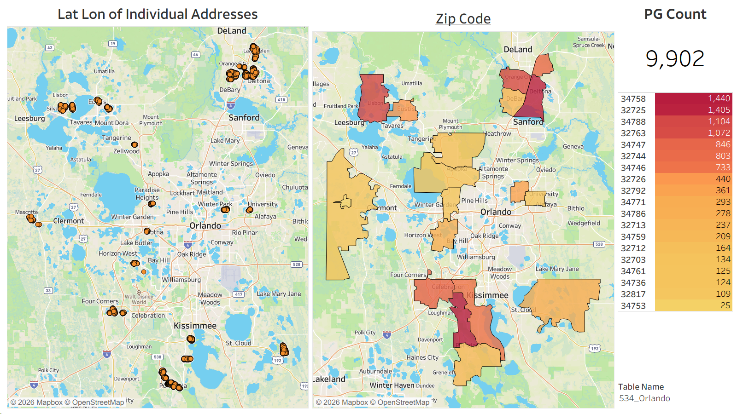
T_WIRE CENTER | T_PG VS NG | T_GROUP | T_DATE | T_INCLUDE
 | NEON PG | LED | 2026-08-31 | Yes
 | NEON PG | LED | 2026-08-31 | Yes
 | NEON PG | LED | 2026-08-31 | Yes
 | NEON PG | LED | 2026-08-31 | Yes
 | NEON PG | LED | 2026-08-31 | Yes
 | NEON PG | LED | 2026-08-31 | Yes
 | NEON PG | LED | 2026-08-31 | Yes
 | NEON PG | LED | 2026-08-31 | Yes
 | NEON PG | LED | 2026-08-31 | Yes
 | NEON PG | LED | 2026-08-31 | Yes
 | NEON PG | LED | 2026-08-31 | Yes
 | NEON PG | LED | 2026-08-31 | Yes
 | NEON PG | LED | 2026-08-31 | Yes
 | NEON PG | LED | 2026-08-31 | Yes
 | NEON PG | LED | 2026-08-31 | Yes
 | NEON PG | LED | 2026-08-31 | Yes
 | NEON PG | LED | 2026-08-31 | Yes
 | NEON PG | LED | 2026-08-31 | Yes
 | NEON PG | LED | 2026-08-31 | Yes
 | NEON PG | LED | 2026-08-31 | Yes
 | NEON PG | LED | 2026-08-31 | Yes
 | NEON PG | LED | 2026-08-31 | Yes
 | NEON PG | LED | 2026-08-31 | Yes
 | NEON PG | LED | 2026-08-31 | Yes
 | NEON PG | LED | 2026-08-31 | Yes
 | NEON PG | LED | 2026-08-31 | Yes
 | NEON PG | LED | 2026-08-31 | Yes
 | NEON PG | LED | 2026-08-31 | Yes
 | NEON PG | LED | 2026-08-31 | Yes
 | NEON PG | LED | 2026-08-31 | Yes
 | NEON PG | LED | 2026-08-31 | Yes
 | NEON PG | LED | 2026-08-31 | Yes
 | NEON PG | LED | 2026-08-31 | Yes
 | NEON PG | LED | 2026-08-31 | Yes
 | NEON PG | LED | 2026-08-31 | Yes
 | NEON PG | LED | 2026-08-31 | Yes
 | NEON PG | LED | 2026-08-31 | Yes
...

571_FT. MYERS NAPLES
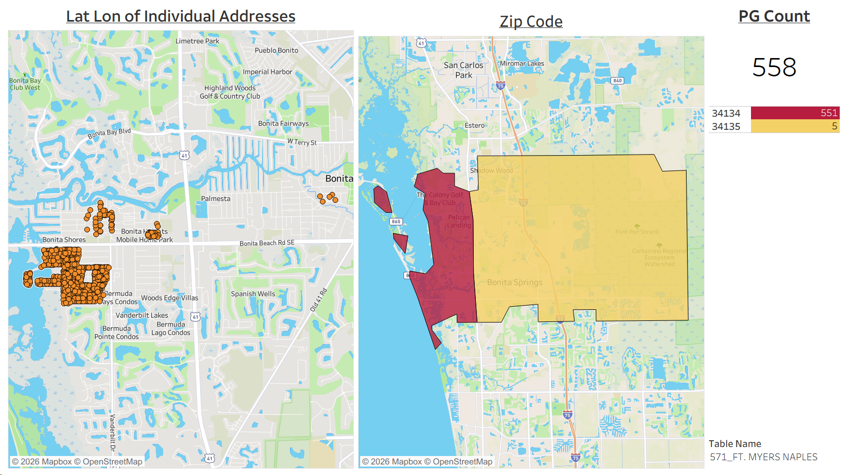
T_WIRE CENTER | T_PG VS NG | T_GROUP | T_DATE | T_INCLUDE
 | NEON PG | LED | 2026-08-31 | Yes
 | NEON PG | LED | 2026-08-31 | Yes
 | NEON PG | LED | 2026-08-31 | Yes
 | NEON PG | LED | 2026-08-31 | Yes
 | NEON PG | LED | 2026-08-31 | Yes
 | NEON PG | LED | 2026-08-31 | Yes
 | NEON PG | LED | 2026-08-31 | Yes
 | NEON PG | LED | 2026-08-31 | Yes
 | NEON PG | LED | 2026-08-31 | Yes
 | NEON PG | LED | 2026-08-31 | Yes
 | NEON PG | LED | 2026-08-31 | Yes
 | NEON PG | LED | 2026-08-31 | Yes
 | NEON PG | LED | 2026-08-31 | Yes
 | NEON PG | LED | 2026-08-31 | Yes
 | NEON PG | LED | 2026-08-31 | Yes
 | NEON PG | LED | 2026-08-31 | Yes
 | NEON PG | LED | 2026-08-31 | Yes
 | NEON PG | LED | 2026-08-31 | Yes
 | NEON PG | LED | 2026-08-31 | Yes
 | NEON PG | LED | 2026-08-31 | Yes
 | NEON PG | LED | 2026-08-31 | Yes
 | NEON PG | LED | 2026-08-31 | Yes
 | NEON PG | LED | 2026-08-31 | Yes
 | NEON PG | LED | 2026-08-31 | Yes
 | NEON PG | LED | 2026-08-31 | Yes
 | NEON PG | LED | 2026-08-31 | Yes
 | NEON PG | LED | 2026-08-31 | Yes
 | NEON PG | LED | 2026-08-31 | Yes
 | NEON PG | LED | 2026-08-31 | Yes
 | NEON PG | LED | 2026-08-31 | Yes
 | NEON PG | LED | 2026-08-31 | Yes
 | NEON PG | LED | 2026-08-31 | Yes
 | NEON PG | LED | 2026-08-31 | Yes
 | NEON PG | LED | 2026-08-31 | Yes
 | NEON PG | LED | 2026-08-31 | Yes
 | NEON PG | LED | 2026-08-31 | Yes
 | NEON PG | LED | 2026-08-31 | Yes
...

577_Wilkes Barre
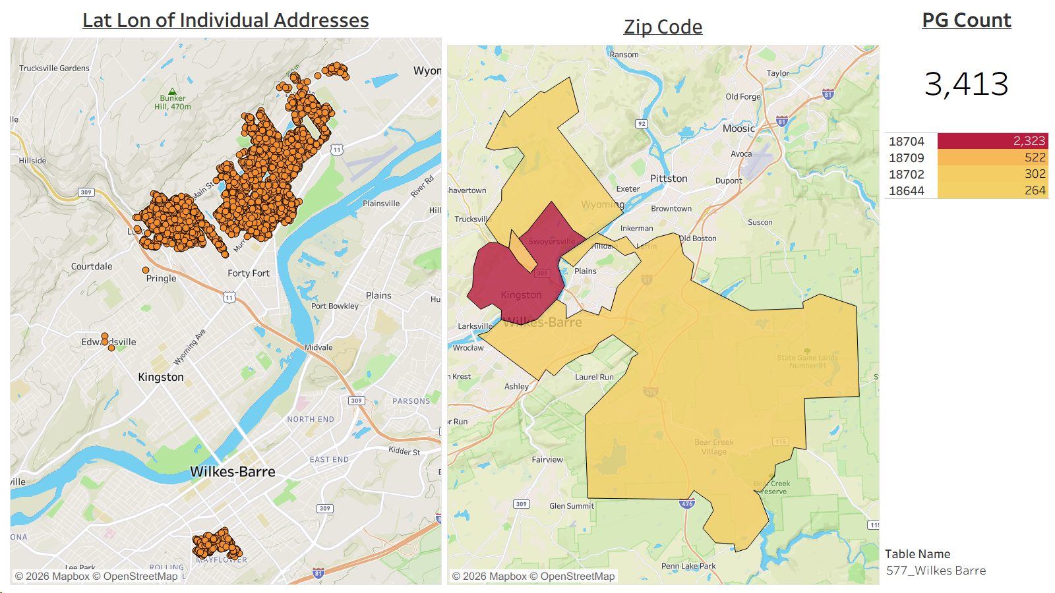
T_WIRE CENTER | T_PG VS NG | T_GROUP | T_DATE | T_INCLUDE
 | NEON PG | LED | 2026-08-31 | Yes
 | NEON PG | LED | 2026-08-31 | Yes
 | NEON PG | LED | 2026-08-31 | Yes
 | NEON PG | LED | 2026-08-31 | Yes
 | NEON PG | LED | 2026-08-31 | Yes
 | NEON PG | LED | 2026-08-31 | Yes
 | NEON PG | LED | 2026-08-31 | Yes
 | NEON PG | LED | 2026-08-31 | Yes
 | NEON PG | LED | 2026-08-31 | Yes
 | NEON PG | LED | 2026-08-31 | Yes
 | NEON PG | LED | 2026-08-31 | Yes
 | NEON PG | LED | 2026-08-31 | Yes
 | NEON PG | LED | 2026-08-31 | Yes
 | NEON PG | LED | 2026-08-31 | Yes
 | NEON PG | LED | 2026-08-31 | Yes
 | NEON PG | LED | 2026-08-31 | Yes
 | NEON PG | LED | 2026-08-31 | Yes
 | NEON PG | LED | 2026-08-31 | Yes
 | NEON PG | LED | 2026-08-31 | Yes
 | NEON PG | LED | 2026-08-31 | Yes
 | NEON PG | LED | 2026-08-31 | Yes
 | NEON PG | LED | 2026-08-31 | Yes
 | NEON PG | LED | 2026-08-31 | Yes
 | NEON PG | LED | 2026-08-31 | Yes
 | NEON PG | LED | 2026-08-31 | Yes
 | NEON PG | LED | 2026-08-31 | Yes
 | NEON PG | LED | 2026-08-31 | Yes
 | NEON PG | LED | 2026-08-31 | Yes
 | NEON PG | LED | 2026-08-31 | Yes
 | NEON PG | LED | 2026-08-31 | Yes
 | NEON PG | LED | 2026-08-31 | Yes
 | NEON PG | LED | 2026-08-31 | Yes
 | NEON PG | LED | 2026-08-31 | Yes
 | NEON PG | LED | 2026-08-31 | Yes
 | NEON PG | LED | 2026-08-31 | Yes
 | NEON PG | LED | 2026-08-31 | Yes
 | NEON PG | LED | 2026-08-31 | Yes
...

613_MINNEAPOLIS
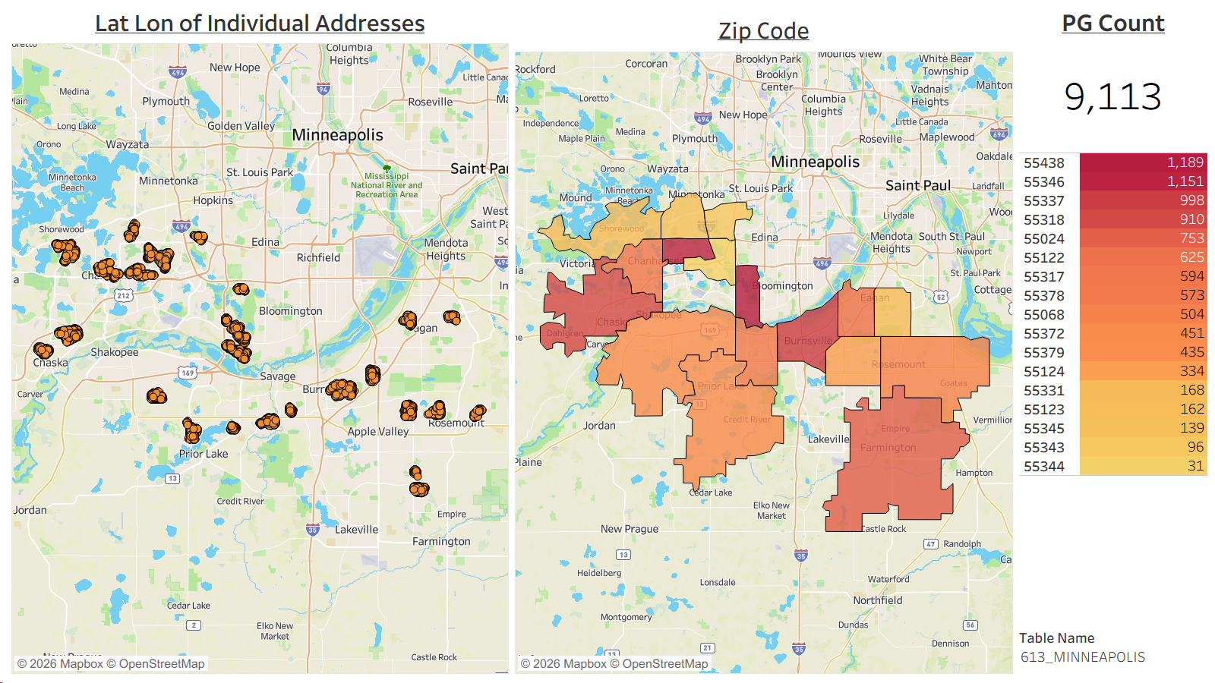
T_WIRE CENTER | T_PG VS NG | T_GROUP | T_DATE | T_INCLUDE
 | NEON PG | LED | 2026-08-31 | Yes
 | NEON PG | LED | 2026-08-31 | Yes
 | NEON PG | LED | 2026-08-31 | Yes
 | NEON PG | LED | 2026-08-31 | Yes
 | NEON PG | LED | 2026-08-31 | Yes
 | NEON PG | LED | 2026-08-31 | Yes
 | NEON PG | LED | 2026-08-31 | Yes
 | NEON PG | LED | 2026-08-31 | Yes
 | NEON PG | LED | 2026-08-31 | Yes
 | NEON PG | LED | 2026-08-31 | Yes
 | NEON PG | LED | 2026-08-31 | Yes
 | NEON PG | LED | 2026-08-31 | Yes
 | NEON PG | LED | 2026-08-31 | Yes
 | NEON PG | LED | 2026-08-31 | Yes
 | NEON PG | LED | 2026-08-31 | Yes
 | NEON PG | LED | 2026-08-31 | Yes
 | NEON PG | LED | 2026-08-31 | Yes
 | NEON PG | LED | 2026-08-31 | Yes
 | NEON PG | LED | 2026-08-31 | Yes
 | NEON PG | LED | 2026-08-31 | Yes
 | NEON PG | LED | 2026-08-31 | Yes
 | NEON PG | LED | 2026-08-31 | Yes
 | NEON PG | LED | 2026-08-31 | Yes
 | NEON PG | LED | 2026-08-31 | Yes
 | NEON PG | LED | 2026-08-31 | Yes
 | NEON PG | LED | 2026-08-31 | Yes
 | NEON PG | LED | 2026-08-31 | Yes
 | NEON PG | LED | 2026-08-31 | Yes
 | NEON PG | LED | 2026-08-31 | Yes
 | NEON PG | LED | 2026-08-31 | Yes
 | NEON PG | LED | 2026-08-31 | Yes
 | NEON PG | LED | 2026-08-31 | Yes
 | NEON PG | LED | 2026-08-31 | Yes
 | NEON PG | LED | 2026-08-31 | Yes
 | NEON PG | LED | 2026-08-31 | Yes
 | NEON PG | LED | 2026-08-31 | Yes
 | NEON PG | LED | 2026-08-31 | Yes
...

686_Mobile
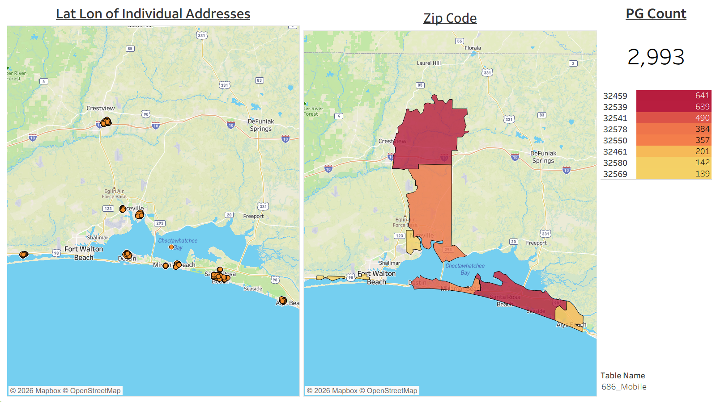
T_WIRE CENTER | T_PG VS NG | T_GROUP | T_DATE | T_INCLUDE
 | NEON PG | LED | 2026-08-31 | Yes
 | NEON PG | LED | 2026-08-31 | Yes
 | NEON PG | LED | 2026-08-31 | Yes
 | NEON PG | LED | 2026-08-31 | Yes
 | NEON PG | LED | 2026-08-31 | Yes
 | NEON PG | LED | 2026-08-31 | Yes
 | NEON PG | LED | 2026-08-31 | Yes
 | NEON PG | LED | 2026-08-31 | Yes
 | NEON PG | LED | 2026-08-31 | Yes
 | NEON PG | LED | 2026-08-31 | Yes
 | NEON PG | LED | 2026-08-31 | Yes
 | NEON PG | LED | 2026-08-31 | Yes
 | NEON PG | LED | 2026-08-31 | Yes
 | NEON PG | LED | 2026-08-31 | Yes
 | NEON PG | LED | 2026-08-31 | Yes
 | NEON PG | LED | 2026-08-31 | Yes
 | NEON PG | LED | 2026-08-31 | Yes
 | NEON PG | LED | 2026-08-31 | Yes
 | NEON PG | LED | 2026-08-31 | Yes
 | NEON PG | LED | 2026-08-31 | Yes
 | NEON PG | LED | 2026-08-31 | Yes
 | NEON PG | LED | 2026-08-31 | Yes
 | NEON PG | LED | 2026-08-31 | Yes
 | NEON PG | LED | 2026-08-31 | Yes
 | NEON PG | LED | 2026-08-31 | Yes
 | NEON PG | LED | 2026-08-31 | Yes
 | NEON PG | LED | 2026-08-31 | Yes
 | NEON PG | LED | 2026-08-31 | Yes
 | NEON PG | LED | 2026-08-31 | Yes
 | NEON PG | LED | 2026-08-31 | Yes
 | NEON PG | LED | 2026-08-31 | Yes
 | NEON PG | LED | 2026-08-31 | Yes
 | NEON PG | LED | 2026-08-31 | Yes
 | NEON PG | LED | 2026-08-31 | Yes
 | NEON PG | LED | 2026-08-31 | Yes
 | NEON PG | LED | 2026-08-31 | Yes
 | NEON PG | LED | 2026-08-31 | Yes
...

753_Phoenix Mesa
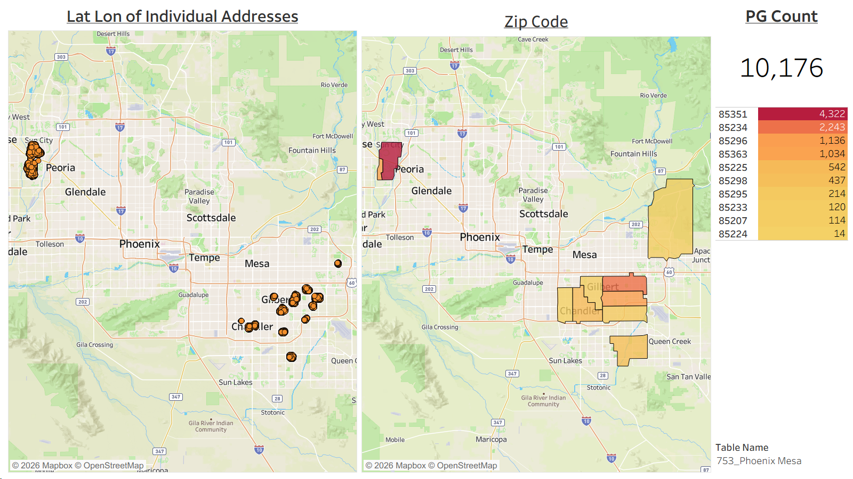
T_WIRE CENTER | T_PG VS NG | T_GROUP | T_DATE | T_INCLUDE
 | NEON PG | LED | 2026-08-31 | Yes
 | NEON PG | LED | 2026-08-31 | Yes
 | NEON PG | LED | 2026-08-31 | Yes
 | NEON PG | LED | 2026-08-31 | Yes
 | NEON PG | LED | 2026-08-31 | Yes
 | NEON PG | LED | 2026-08-31 | Yes
 | NEON PG | LED | 2026-08-31 | Yes
 | NEON PG | LED | 2026-08-31 | Yes
 | NEON PG | LED | 2026-08-31 | Yes
 | NEON PG | LED | 2026-08-31 | Yes
 | NEON PG | LED | 2026-08-31 | Yes
 | NEON PG | LED | 2026-08-31 | Yes
 | NEON PG | LED | 2026-08-31 | Yes
 | NEON PG | LED | 2026-08-31 | Yes
 | NEON PG | LED | 2026-08-31 | Yes
 | NEON PG | LED | 2026-08-31 | Yes
 | NEON PG | LED | 2026-08-31 | Yes
 | NEON PG | LED | 2026-08-31 | Yes
 | NEON PG | LED | 2026-08-31 | Yes
 | NEON PG | LED | 2026-08-31 | Yes
 | NEON PG | LED | 2026-08-31 | Yes
 | NEON PG | LED | 2026-08-31 | Yes
 | NEON PG | LED | 2026-08-31 | Yes
 | NEON PG | LED | 2026-08-31 | Yes
 | NEON PG | LED | 2026-08-31 | Yes
 | NEON PG | LED | 2026-08-31 | Yes
 | NEON PG | LED | 2026-08-31 | Yes
 | NEON PG | LED | 2026-08-31 | Yes
 | NEON PG | LED | 2026-08-31 | Yes
 | NEON PG | LED | 2026-08-31 | Yes
 | NEON PG | LED | 2026-08-31 | Yes
 | NEON PG | LED | 2026-08-31 | Yes
 | NEON PG | LED | 2026-08-31 | Yes
 | NEON PG | LED | 2026-08-31 | Yes
 | NEON PG | LED | 2026-08-31 | Yes
 | NEON PG | LED | 2026-08-31 | Yes
 | NEON PG | LED | 2026-08-31 | Yes
...

790_Albuquerque-Santa Fe
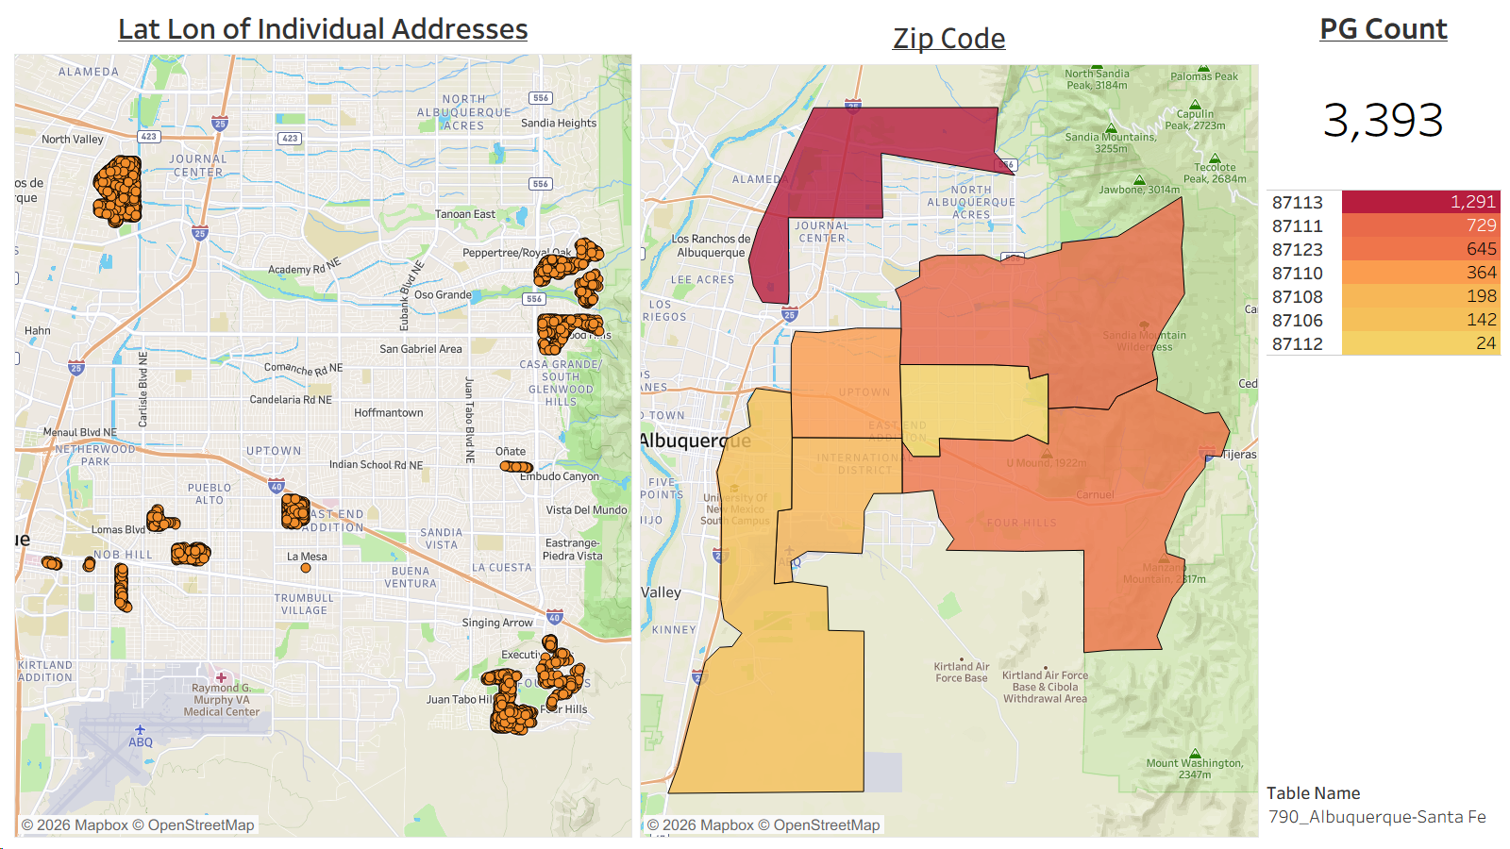
T_WIRE CENTER | T_PG VS NG | T_GROUP | T_DATE | T_INCLUDE
 | NEON PG | LED | 2026-08-31 | Yes
 | NEON PG | LED | 2026-08-31 | Yes
 | NEON PG | LED | 2026-08-31 | Yes
 | NEON PG | LED | 2026-08-31 | Yes
 | NEON PG | LED | 2026-08-31 | Yes
 | NEON PG | LED | 2026-08-31 | Yes
 | NEON PG | LED | 2026-08-31 | Yes
 | NEON PG | LED | 2026-08-31 | Yes
 | NEON PG | LED | 2026-08-31 | Yes
 | NEON PG | LED | 2026-08-31 | Yes
 | NEON PG | LED | 2026-08-31 | Yes
 | NEON PG | LED | 2026-08-31 | Yes
 | NEON PG | LED | 2026-08-31 | Yes
 | NEON PG | LED | 2026-08-31 | Yes
 | NEON PG | LED | 2026-08-31 | Yes
 | NEON PG | LED | 2026-08-31 | Yes
 | NEON PG | LED | 2026-08-31 | Yes
 | NEON PG | LED | 2026-08-31 | Yes
 | NEON PG | LED | 2026-08-31 | Yes
 | NEON PG | LED | 2026-08-31 | Yes
 | NEON PG | LED | 2026-08-31 | Yes
 | NEON PG | LED | 2026-08-31 | Yes
 | NEON PG | LED | 2026-08-31 | Yes
 | NEON PG | LED | 2026-08-31 | Yes
 | NEON PG | LED | 2026-08-31 | Yes
 | NEON PG | LED | 2026-08-31 | Yes
 | NEON PG | LED | 2026-08-31 | Yes
 | NEON PG | LED | 2026-08-31 | Yes
 | NEON PG | LED | 2026-08-31 | Yes
 | NEON PG | LED | 2026-08-31 | Yes
 | NEON PG | LED | 2026-08-31 | Yes
 | NEON PG | LED | 2026-08-31 | Yes
 | NEON PG | LED | 2026-08-31 | Yes
 | NEON PG | LED | 2026-08-31 | Yes
 | NEON PG | LED | 2026-08-31 | Yes
 | NEON PG | LED | 2026-08-31 | Yes
 | NEON PG | LED | 2026-08-31 | Yes
...

